LANBENA
 | Item No. | SKU | English name | Code | volume | weight（g） | lengthcm | width cm | height cm | Quantity | weight | Box gauge | Quantity | weight | Box gauge
 | LB5569 | LB5569 | LANBENA ACNE TREATMENT FACIAL CLEANSER | 6970470535569 | 100g | 137 | 5.6 | 4.6 | 15.5 | 150 | 21.35 | 48.3*29.7*48.5 | / | / | /
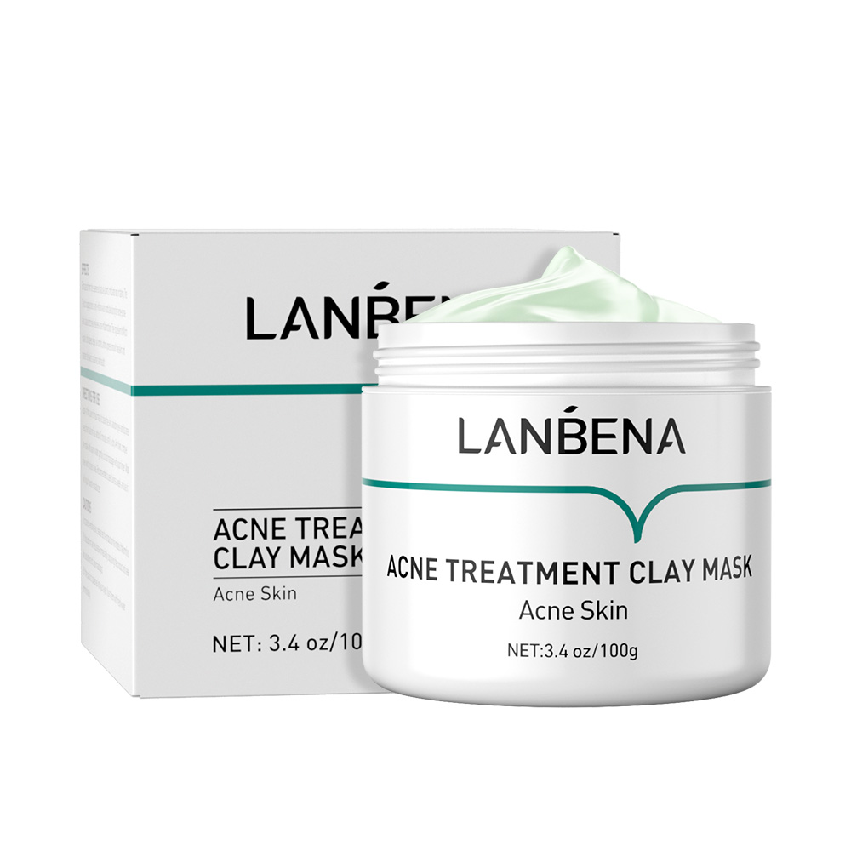 | LB5613 | LB5613 | LANBENA ACNE TREATMENT CLAY MASK | 6970470535613 | 100g | 161 | 7.2 | 7.2 | 6.6 | 100 | 17.5 | 38*30.8*35.5 | / | / | /
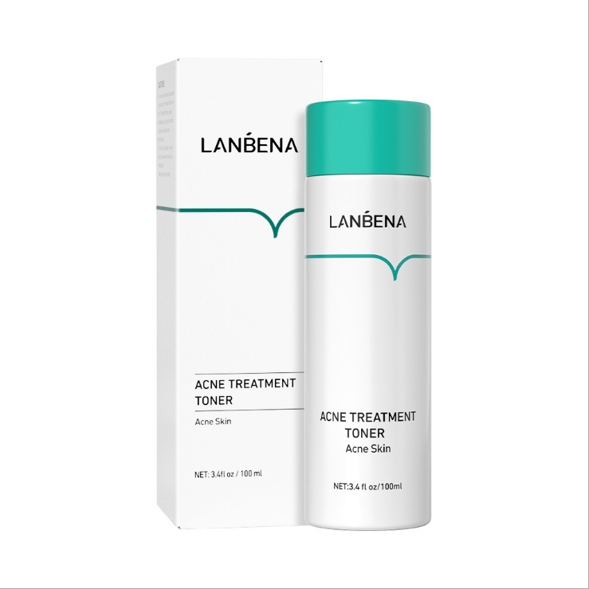 | LB5774 | LB5774 | LANBENA ACNE TREATMENT TONER ACNE SKINLANBENA | 6970470535774 | 100ml | 132 | 4.4 | 4.3 | 13.6 | 100 | 16.6 | 45*45*15 | / | / | /
 | LB5804 | LB5804 | LANBENA ACNE TREATMENT SERUM | 6970470535804 | 30ml | 108 | 4.2 | 4.2 | 9.7 | 200 | 23.085 | 46*23.5*44 | 50 | 5.615 | 22*22*21
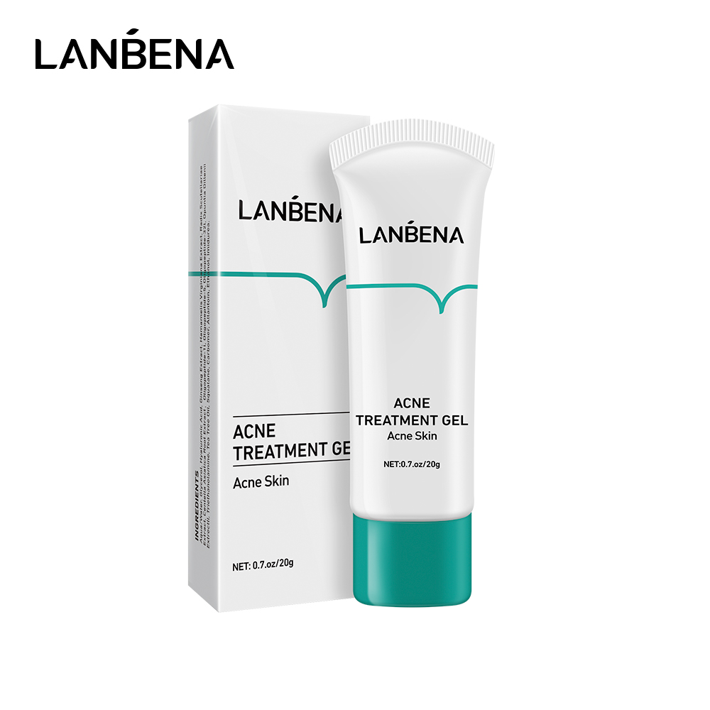 | LB5453 | LB5453 | LANBENA ACNE TREATMENT GEL Acne Skin | 6970470535453 | 20g | 31 | 4 | 2 | 11.7 | 400 | 14.96 | 44*43*28 | 100 | 3.28 | 42*21*13
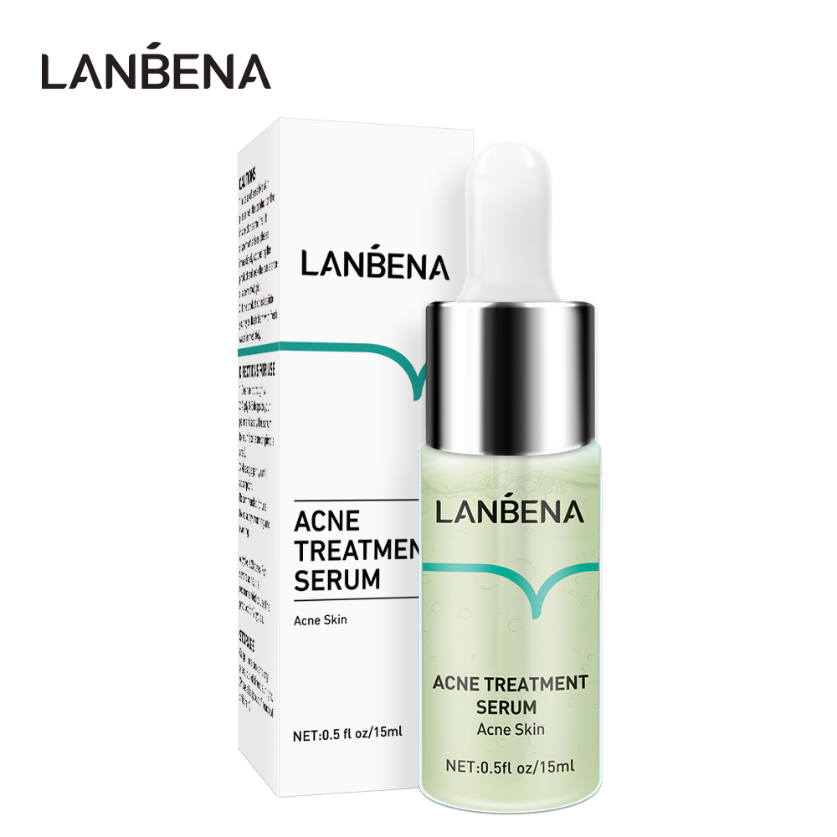 | LB5811 | LB5811 | ACNE TREATMENT SERUM | 6970470535811 | 15ml | 36 | 2.8 | 2.7 | 8.7 | 748 | 26.1 | 44*30*46.5
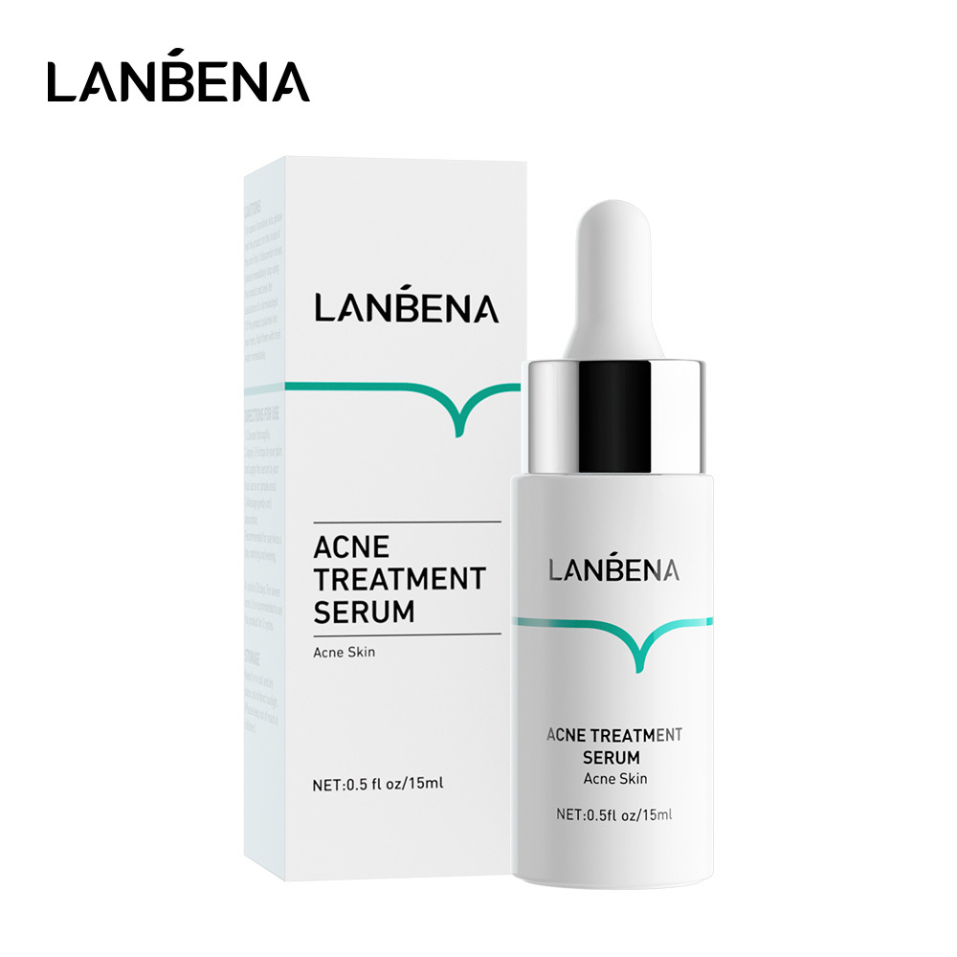 | LB6146 | LB6146 | ACNE TREATMENT SERUM | 6970470536146 | 15ml | 66 | 2.8 | 2.7 | 8.7 | 600 | 41.38 | 50.5*36*39.8 | / | / | /
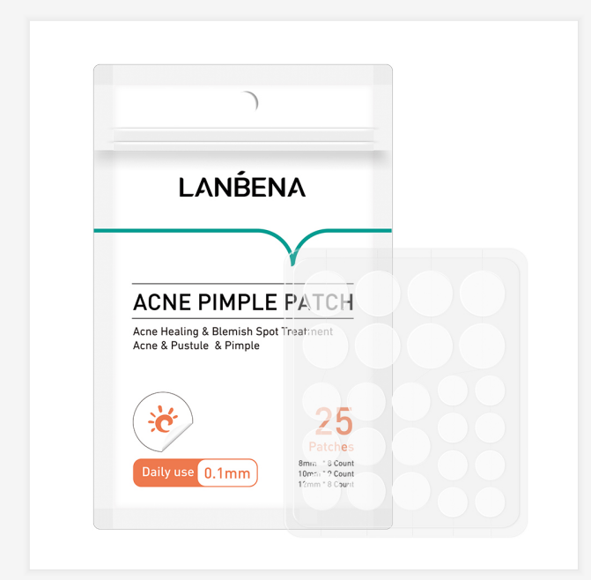 | LB0700 | LB0700 | LANBENA ACNE PIMPLE PATCH | 6970470530700 | 25粒01mm | 5 | 9 | 13.4 | 0.3 | 2400 | 13.06 | 48.6*22.5*39.5 | 200 | 1.1 | 15.2*10.2*18.6
 | LB0717 | LB0717 | LANBENA ACNE PIMPLE PATCH | 6970470530717 | 28粒03mm | 5 | 9 | 13.4 | 0.3 | 2400 | 14.34 | 48.6*22.5*39.5 | 200 | 1.25 | 15.2*10.2*18.6
 | LB5439 | LB5439 | LANBENA ECTOIN SOOTHING FACIAL CLEANSER | 6970470535439 | 100g | 140 | 5.6 | 4.6 | 15.5 | 150 | 21.48 | 73.5*30*33.5 | / | / | /
 | LB5422 | LB5422 | LANBENA ECTOIN SOOTHING EYE SERUM | 6970470535422 | 20g | 40 | 2.5 | 1.9 | 13.9 | 600 | 25.04 | 60.5*28*32.5 | 100 | 4 | 26.5*19.5*15
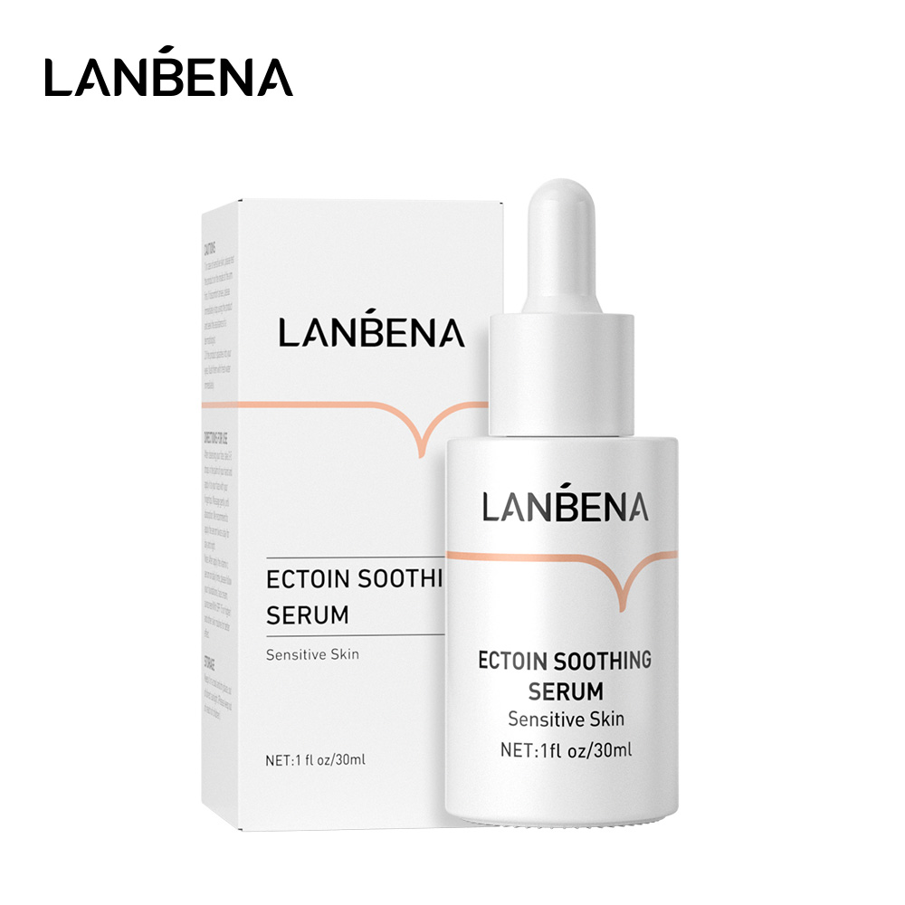 | LB5415 | LB5415 | LANBENA ECTOIN SOOTHING SERUM | 6970470535415 | 30ml | 108 | 4.2 | 4.2 | 9.7 | 200 | 22.805 | 46*23.5*48 | 50 | 5.502 | 22*22*21
 | LB5446 | LB5446 | LANBENA ECTOIN SOOTHING CREAM | 6970470535446 | 50ml | 85 | 4 | 4 | 11 | 200 | 18.345 | 46*23.5*48 | 50 | 4.408 | 22*22*23
 | LB5576 | LB5576 | LANBENA 24K GOLD PEPTIDE FACIAL CLEANSER | 6970470535576 | 100g | 137 | 5.6 | 4.6 | 15.5 | 150 | 20.65 | 73.5*30*33.5 | / | / | /
 | LB5637 | LB5637 | LANBENA 24K GOLD PEPTIDE EYE SERUM | 6970470535637 | 20g | 40 | 2.5 | 1.9 | 13.9 | 600 | 25.04 | 60.5*28*32.5 | 100 | 4 | 26.5*19.5*15
 | LB5798 | LB5798 | LANBENA 24K GOLD PEPTIDE TONER | 6970470535798 | 100ml | 134 | 3.7 | 3.7 | 13.5 | 100 | 13.84 | 39*39*14.7 | / | / | /
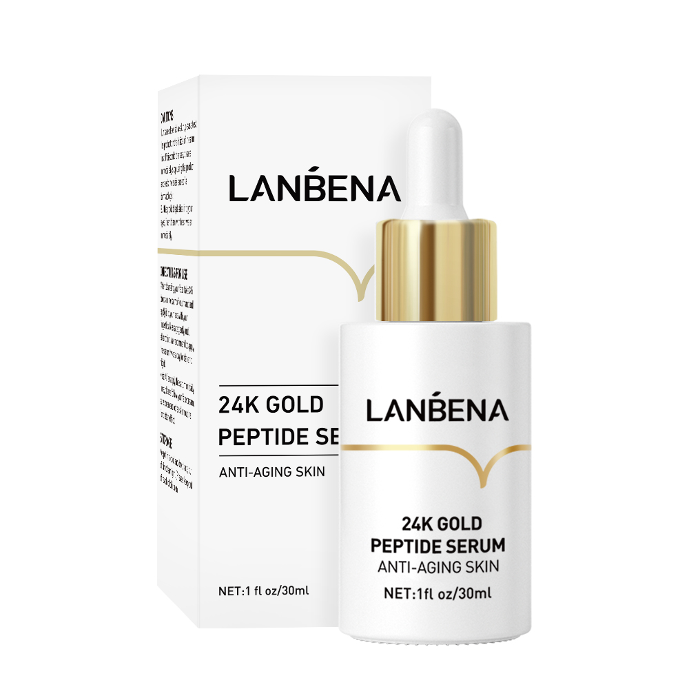 | LB6085 | LB6085 | LANNENA 24k GOLD PEPTIDE SERUM | 6970470536085 | 30ml | 107 | 4.1 | 4.1 | 9.9 | 200 | 23.075 | 46*23.5*44 | 50 | 5.58 | 22*22*21
 | LB5583 | LB5583 | LANBENA VITAMIN C FACIAL CLEANSER | 6970470535583 | 100g | 133 | 5.6 | 4.6 | 15.5 | 150 | 20.65 | 73.5*30*33.5 | / | / | /
 | LB5620 | LB5620 | LANBENA VITAMIN C EYE SERUM | 6970470535620 | 20g | 40 | 2.5 | 1.9 | 13.9 | 600 | 25.04 | 60.5*28*32.5 | 100 | 4 | 26.5*19.5*15
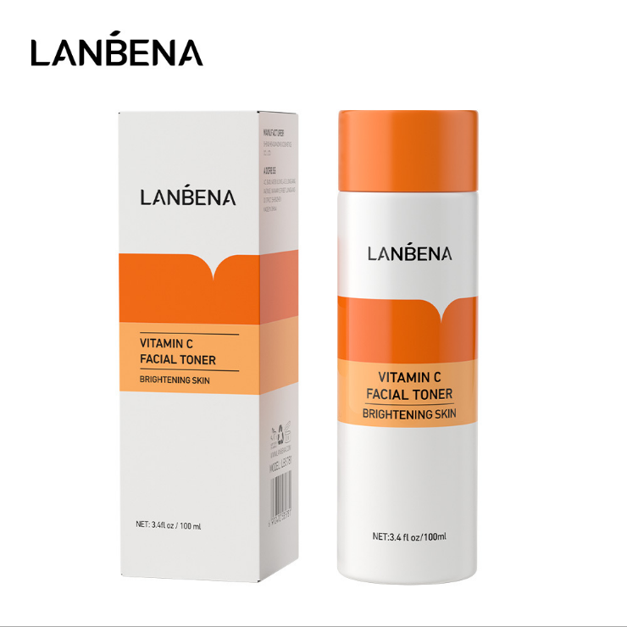 | LB5781 | LB5781 | LANBENA VITAMIN C FACIAL TONER | 6970470535781 | 100ml | 134 | 3.7 | 3.7 | 13.5 | 100 | 16 | 45.5*45.5*14 | / | / | /
 | LB5705 | LB5705 | LANBENA VITAMIN C SERUM | 6970470535705 | 30ml | 108 | 4.2 | 4.2 | 9.7 | 200 | 22.805 | 46*23.5*44 | 50 | 5.502 | 22*2*21
 | LB5385 | LB5385 | LANBENA VITAMIN C CREAM | 6970470535385 | 50g | 168 | 5.9 | 5.9 | 5.2 | 100 | 17.31 | 31.5*31.5*22.5 | / | / | /
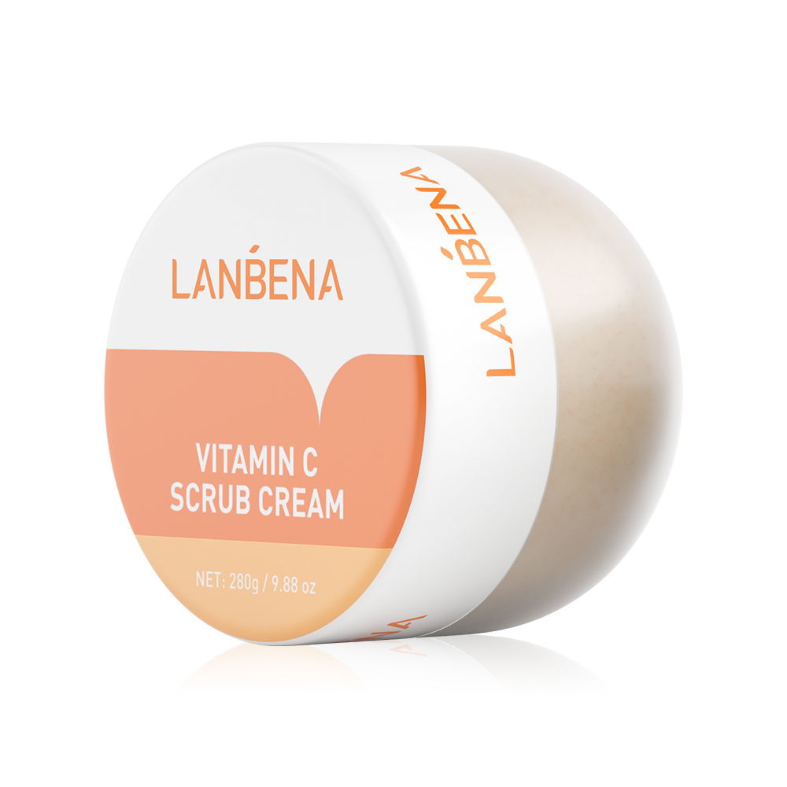 | LB8652 | LB8652 | LANBENA VITAMIN C SCRUB CREBM | 6970470538652 | 280G | 388 | 9 | 9 | 8.3 | 54 | 22 | 59*30.5*28 | / | / | /
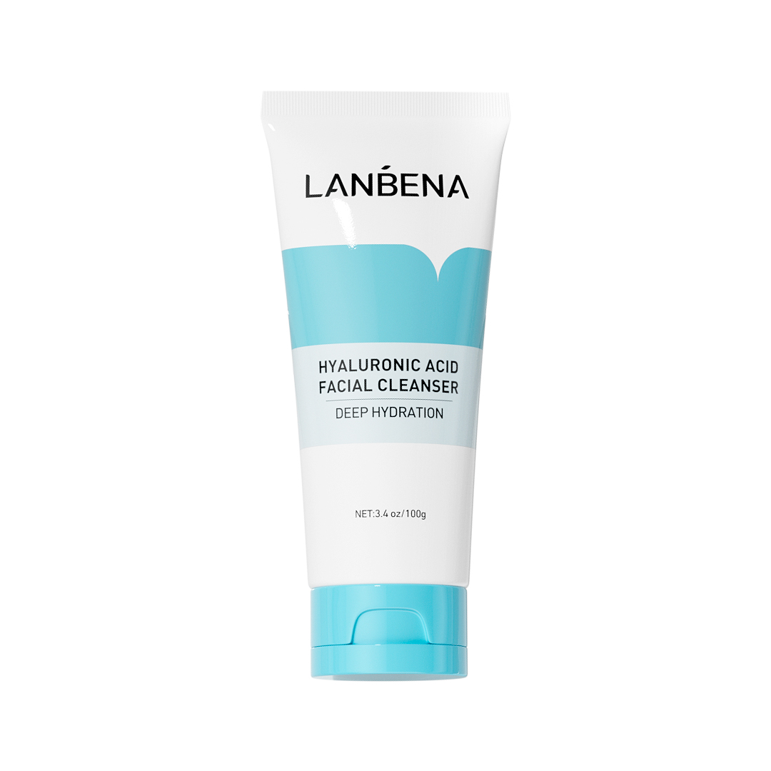 | LB7341 | LB7341 | LANBENA HYALURONIC ACID FACIAL CLEANSER | 6970470537341 | 100g | 140 | 5.6 | 4.6 | 15.5 | 100 | 14.62 | 48*33*31 | / | / | /
 | LB5590 | LB5590 | WHITENING UV SUNSCREEN CREAM | 6970470535590 | 40ml（SPF 50+/PA+++） | 62 | 4.4 | 2.7 | 10.5 | 400 | 26.825 | 48*30.5*46.5 | 100 | 6.5 | 29*23*22.2
 | LB5606 | LB5606 | WHITENING UV SUNSCREEN CREAM | 6970470535606 | 40ml（SPF 50+/PA+++） | 62 | 4.4 | 2.7 | 10.5 | 400 | 26.825 | 48*30.5*46.5 | 100 | 6.5 | 29*23*22.2
 | LB0380 | LB0380 | LANBENA hair growth essencial oil | 6970470530380 | 20ml | 36 | 2.7 | 2.7 | 7.3 | 600 | 22.6 | 59*30.5*28 | 100 | 3.66 | 29*28.5*8.5
 | LB4241 | LB4241 | LANBENA hair growth spray | 6970470534241 | 20ml | 45 | 3 | 3 | 9.3 | 400 | 19 | 37.2*35.5*41.5 | 100 | 4.5 | 34*17.6*19.5
 | LB5835 | LB5835 | LANBENA Beard Growth Serum | 6970470535835 | 20ml | 44 | 3 | 3 | 9.3 | 400 | 19 | 37.2*35.5*41.5 | 100 | 4.6 | 34*17.6*19.5
 | LB807E1 | LB807E1 | LANBENA Moroccan Argan Oil | 6975497990001 | 20ml | 42 | 3 | 3 | 9.3
 | LB6177 | LB6177 | LANBENA ROSE LIP MASK&LIP BALM | 6970470536177 | 0.23oz/6.5g | 31 | 5.1 | 1.9 | 5.1 | 600 | 19.16 | 44*36.8*29.5 | 100 | 3.153 | 21*11.6*27.5
 | LB6153 | LB6153 | LANBENA COCONUT LIP MASK&LIP BALM | 6970470536153 | 0.23oz/6.5g | 31 | 5.1 | 1.9 | 5.1 | 600 | 19.445 | 44*36.8*29.5 | 100 | 3.153 | 21*11.6*27.5
 | LB6184 | LB6184 | LANBENA SUGAR LIP SCRUB | 6970470536184 | 0.23oz/6.5g | 31 | 5.1 | 1.9 | 5.1 | 600 | 19.825 | 44*36.8*29.5 | 100 | 3.153 | 21*11.6*27.5
 | LB6160 | LB6160 | LANBENA ALOE LIP MASK&LIP BALM | 6970470536160 | 0.23oz/6.5g | 31 | 5.1 | 1.9 | 5.1 | 600 | 19.565 | 44*36.8*29.5 | 100 | 3.153 | 21*11.6*27.5
 | LB6221 | LB6221 | LANBENA TCM SCAR AND ACNE MARK REMOVAL GEL OINTMENT | 6970470536221 | 30g | 50 | 3.5 | 2.5 | 14 | 400 | 23.5 | 57*39*32.5 | 100 | 5.54 | 38*28*16
 | LB6238 | LB6238 | LANBENA SCAR REMOVAL STRETCH MARKS SERUM | 6970470536238 | 20ml | 66 | 3.5 | 3.5 | 9.9 | 400 | 28.085 | 41*39*44.5 | 100 | 6.802 | 37*19.5*21
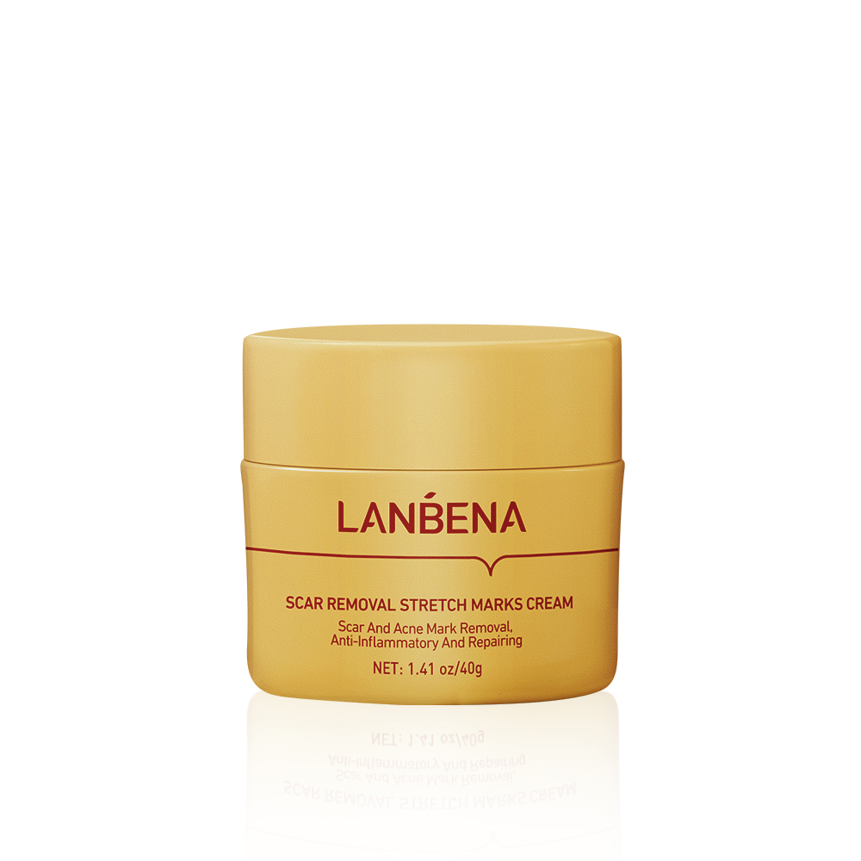 | LB6245 | LB6245 | LANBENA SCAR REMOVAL STRETCH MARKS CREAM | 6970470536245 | 1.41oz/40g | 71 | 6 | 6 | 5.5 | 200 | 14.88 | 54*28*22 | 100 | 7.1 | 26*26*20
 | LB7396 | LB7396 | LANBENA SILICONE SCAR REMOVAL SHEETS | 6970470537396 | 1 piece（5.91*1.57*0.02inches）/pack | 14 | 9 | / | 21.6 | 560/2000 | 8.5/21 | 50*41*35/79*49*59 | 250 | 3.5 | 39*24*28
 | LB6283 | LB6283 | LANBENA NOSE PLANTS PORE STRIPS | 6970470536283 | 30g | 70 | 5.7 | 5.7 | 5 | 300 | 22.14 | 60*31*37 | 100 | 6.88 | 58.5*29.5*11.3
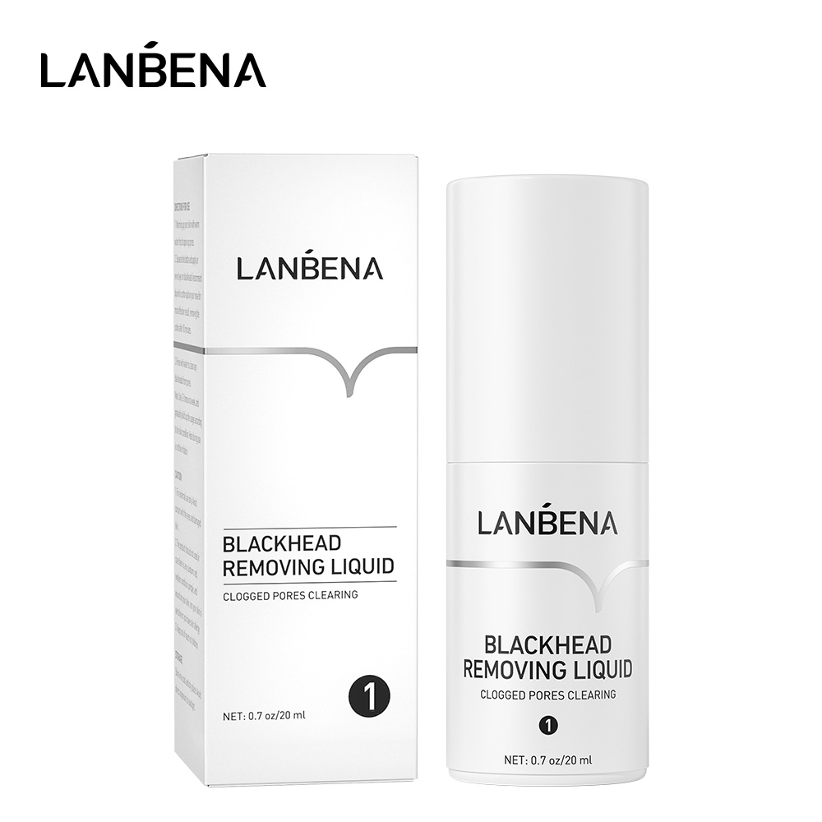 | LB9567 | LB9567 | LANBENA BLACKHEAD REMOVING LIQUID | 6970470539567 | 20ml | 50 | 3.4 | 3.4 | 9.8 | 400 | 22 | 38*37.5*47.5 | 100 | 5.2 | 36.5*36*11
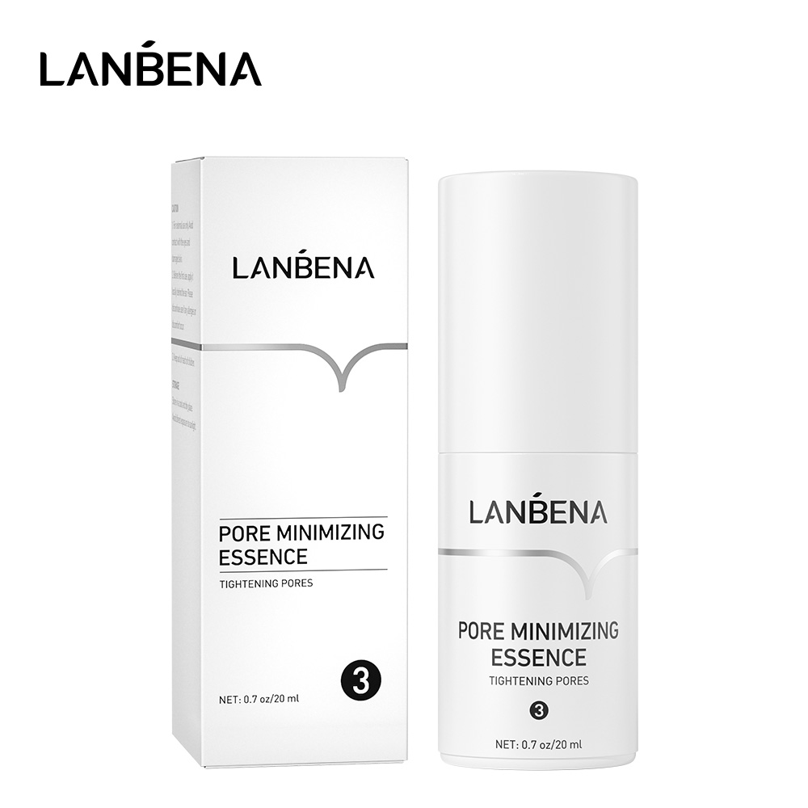 | LB9574 | LB9574 | LANBENA PORE MINIMIZING ESSENCE | 6970470539574 | 20ml | 50 | 3.4 | 3.4 | 9.8 | 400 | 22 | 38*37.5*47.5 | 100 | 5.2 | 36.5*36*11
 | LB0120 | LB0120 | LANBENA Blackhead Remover Mask | 6970470530120 | 50g | 65 | 4.3 | 4.3 | 12 | 240 | 17 | 50*30*40 | / | / | /
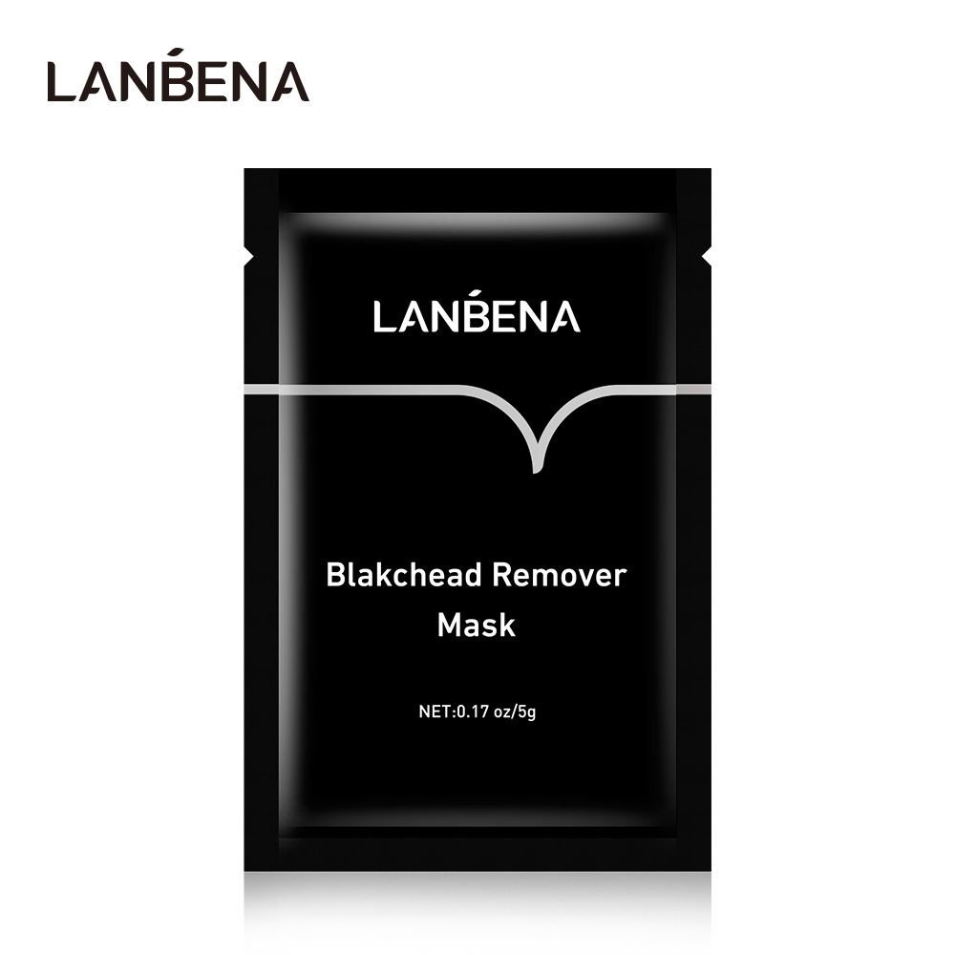 | LB0113 | LB0113 | LANBENA blackhead Remover Mask | 6970470530113 | 5g | 6 | 6 | 9 | 0.3 | 3000 | 20.6 | 66*33.5*31.5 | 500 | 3.02 | 12.5*21.5*32
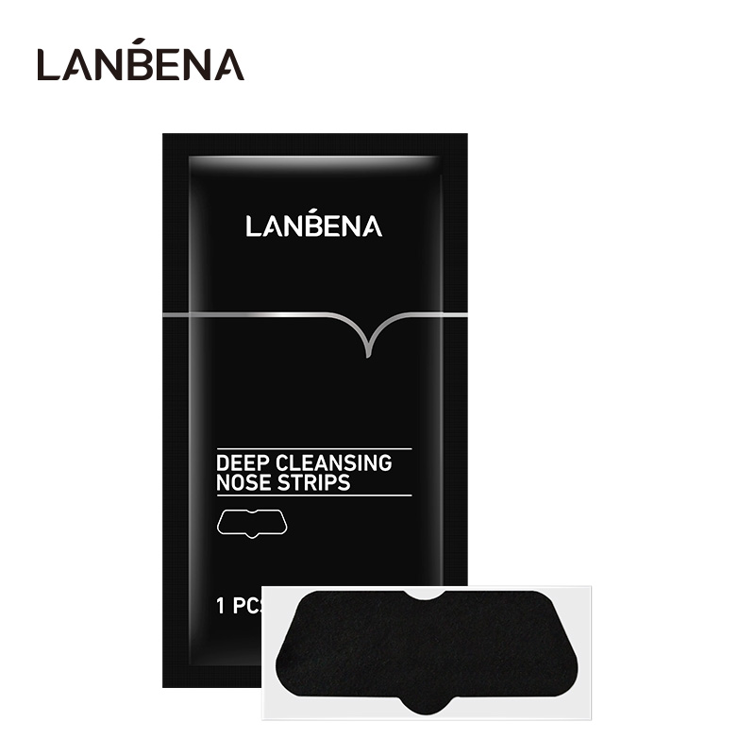 | LB6269 | LB6269 | LANBENA DEEP CLEANSING NOSE STRIPS | 6970470536269 | 5g | 2 | 6.5 | / | 11.9 | 5000 | 12.38 | 27*41*45.5 | 1000 | 1.558 | 43*25.5*7.5
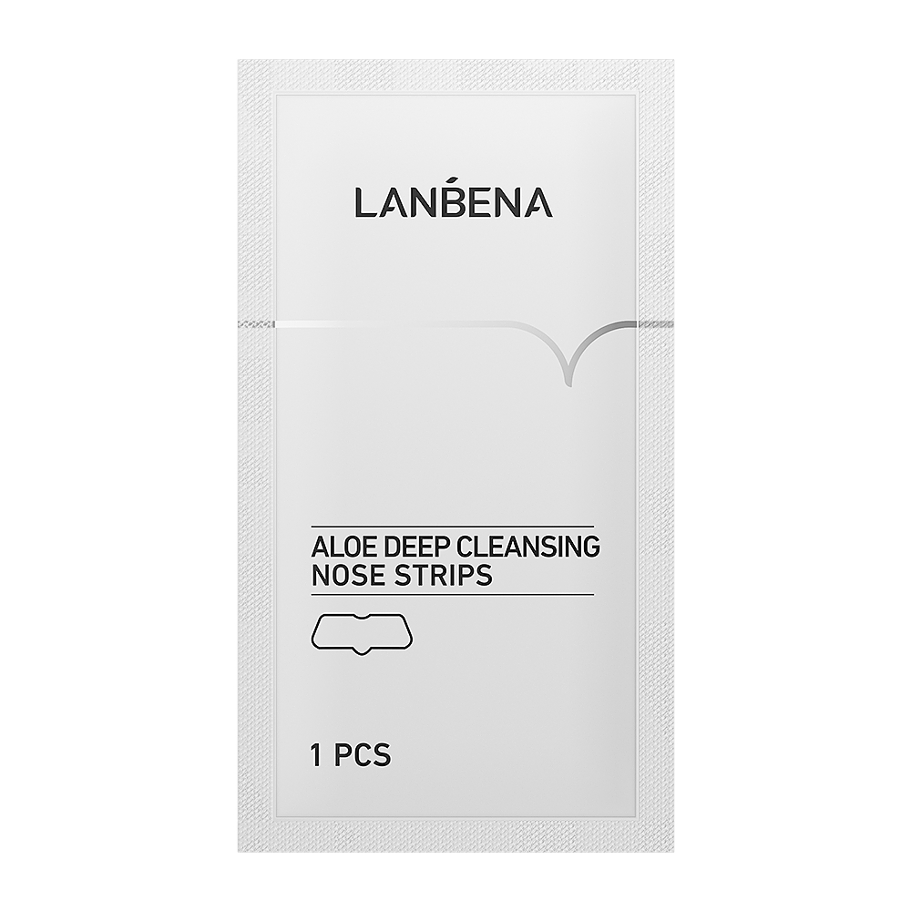 | LB7457 | LB7457 | LANBENA ALOE DEEP CLEANSING NOSE STRIPS | 670470537457 | 1pcs | 1 | 6.6 | / | 11.9 | 5000 | 12.4 | 45.5*27*41.5 | 1000 | 2.34 | 43*25.5*7.5
 |  | LNAAAACMH | LANBENA nose mask sticker |  |  | 2 | 4 | / | 6.8 | 50 | / | / | / | / | /
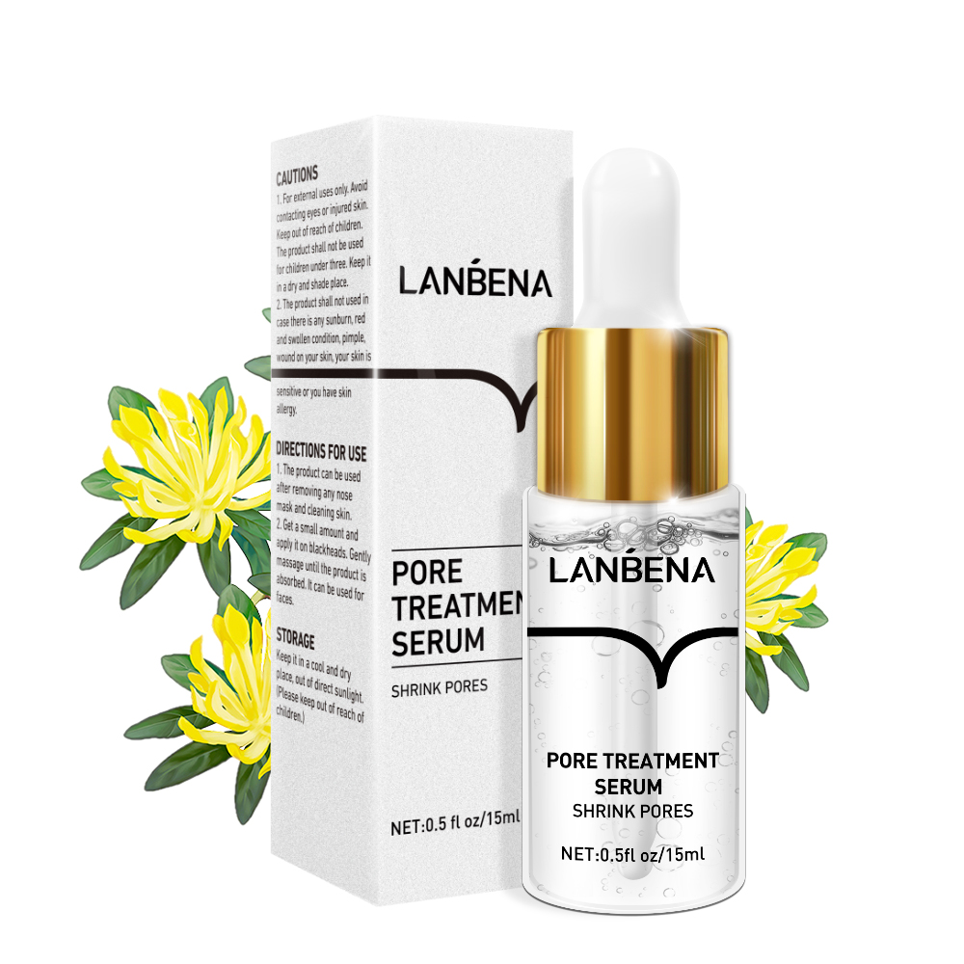 | LB7358 | LB7358 | LANBENA PORE TREATMENT SERUM | 6970470537358 | 15ml | 36 | 2.7 | 2.7 | 8.9 | 600 | 23.205 | 46.5*31*40.8 | 100 | 3.8 | 29.5*14.5*19.2
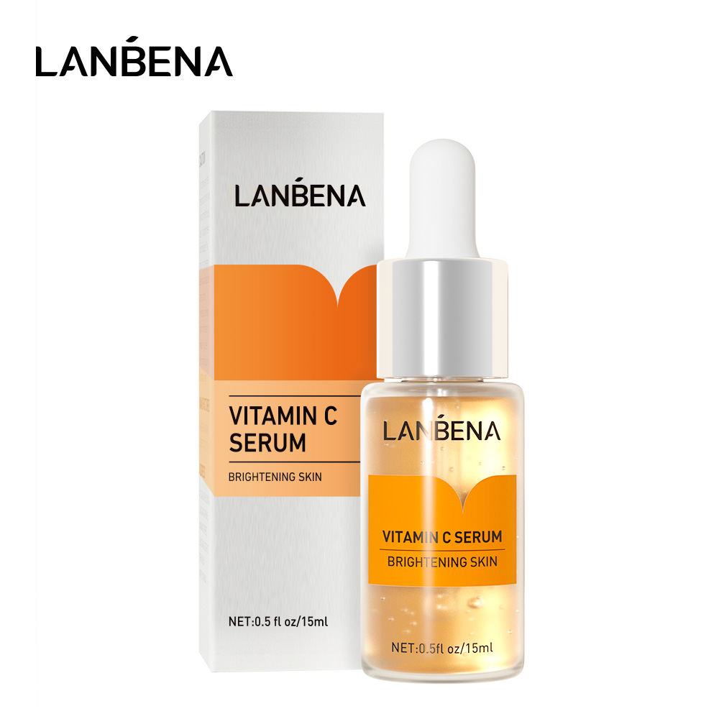 | LB5873 | LB5873 | LANBENA VITAMIN C SERUM | 6970470535873 | 15ml | 36 | 2.7 | 2.7 | 8.9 | 600 | 23.205 | 46.5*31*40.8 | 100 | 3.8 | 29.5*14.5*19.2
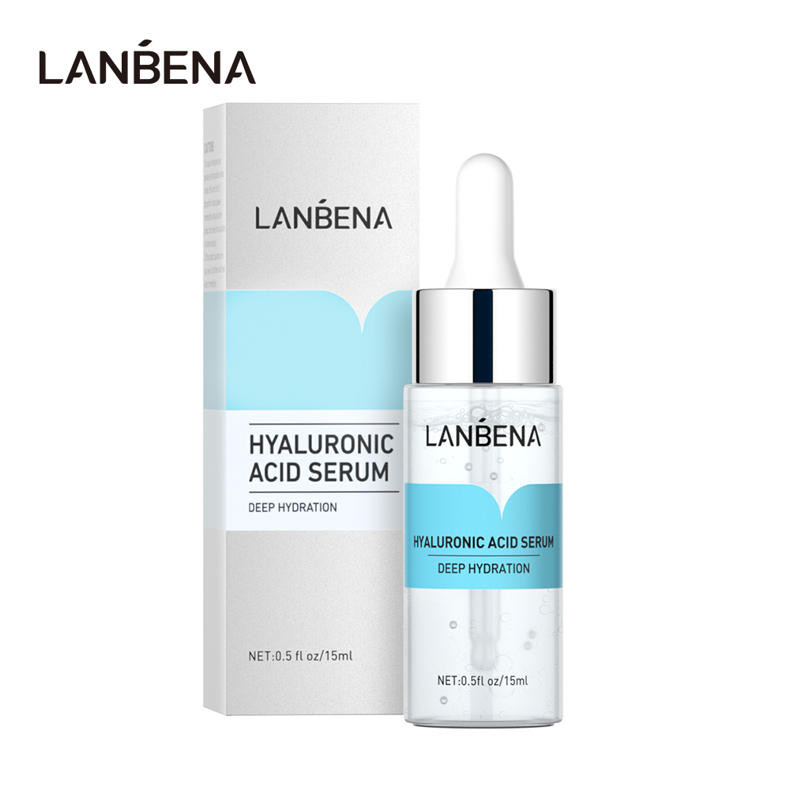 | LB5880 | LB5880 | LANBENA HYALURONIC ACID SERUM | 6970470535880 | 15ml | 36 | 2.7 | 2.7 | 8.9 | 600 | 23.205 | 46.5*31*40.8 | 100 | 3.8 | 29.5*14.5*19.2
 | LB5866 | LB5866 | LANBENA 24K GOLD PEPTIDE SERUM | 6970470535866 | 15ml | 36 | 2.7 | 2.7 | 8.9 | 600 | 23.205 | 46.5*31*40.8 | 100 | 3.8 | 29.5*14.5*19.2
 | LB7501 | LB7501 | LANBENA ECTOINSOOTHING SERUM FACIAL MASK | 6970470537501 | 25ml | 33 | 11.8 | 16.7 | 0.3 | 600 | 21.5 | 55*42.5*27.5 | 100 | 3.35 | 41.2*17.5*12.5
 | LB7495 | LB7495 | LANBENA ACNE TREATMENT SERUM FACIAL MASK | 6970470537495 | 25ml | 32 | 11.8 | 16.7 | 0.3 | 600 | 21.5 | 55*42.5*27.5 | 100 | 3.35 | 41.2*17.5*12.5
 | LB7464 | LB7464 | LANBENA VITAMIN C SERUM FACIAL MASK | 6970470537464 | 25ml | 33 | 11.8 | / | 16.7 | 600 | 21.5 | 55*42.5*27.5 | 100 | 3.35 | 41.2*17.5*12.5
 | LB7471 | LB7471 | LANBENA HYALURONIC ACID SERUM FACIAL MASK | 6970470537471 | 25ml | 33 | 11.8 | / | 16.7 | 600 | 21.5 | 55*42.5*27.5 | 100 | 3.35 | 41.2*17.5*12.5
 | LB7488 | LB7488 | LANBENA 24K COLD PEPTIDE SERUM FACIAL MASK | 6970470537488 | 25ml | 33 | 11.8 | / | 16.7 | 600 | 21.5 | 55*42.5*27.5 | 100 | 3.35 | 41.2*17.5*12.5
 | LB7518 | LB7518 | LANBENA PORE TREATMENT SERUM FACIAL MASK | 6970470537518 | 25ml | 33 | 11.8 | / | 16.7 | 600 | 21.5 | 55*42.5*27.5 | 100 | 3.35 | 41.2*17.5*12.5
 | LB1059 | LB1059 | LANBENA cherry blossom serum facail mask | 6970470531059 | 25ml | 30 | 11 | / | 16 | 600 | 19.9 | 46*35.5*40 | 200 | 6.35 | 44.5*33.5*12
 | LB1028 | LB1028 | LANBENA avocado serum facail mask | 6970470531028 | 25ml | 30 | 11 | / | 16 | 600 | 19.9 | 46*35.5*40 | 200 | 6.35 | 44.5*33.5*12
 | LB1004 | LB1004 | LANBENA green tea serum facail mask | 6970470531004 | 25ml | 30 | 11 | / | 16 | 600 | 19.9 | 46*35.5*40 | 200 | 6.35 | 44.5*33.5*12
 | LB1011 | LB1011 | LANBENA peach serum facail mask | 6970470531011 | 25ml | 30 | 11 | / | 16 | 600 | 19.9 | 46*35.5*40 | 200 | 6.35 | 44.5*33.5*12
 | LB1042 | LB1042 | LANBENA orange serum facil mask | 6970470531042 | 25ml | 30 | 11 | / | 16 | 600 | 19.9 | 46*35.5*40 | 200 | 6.35 | 44.5*33.5*12
 | LB7570 | LB7570 | LANBENA aloe serum facail mask | 6970470537570 | 25ml | 31 | 11.9 | / | 15.9 | 600 | 19.9 | 46*35.5*40 | 200 | 6.35 | 44.5*33.5*12
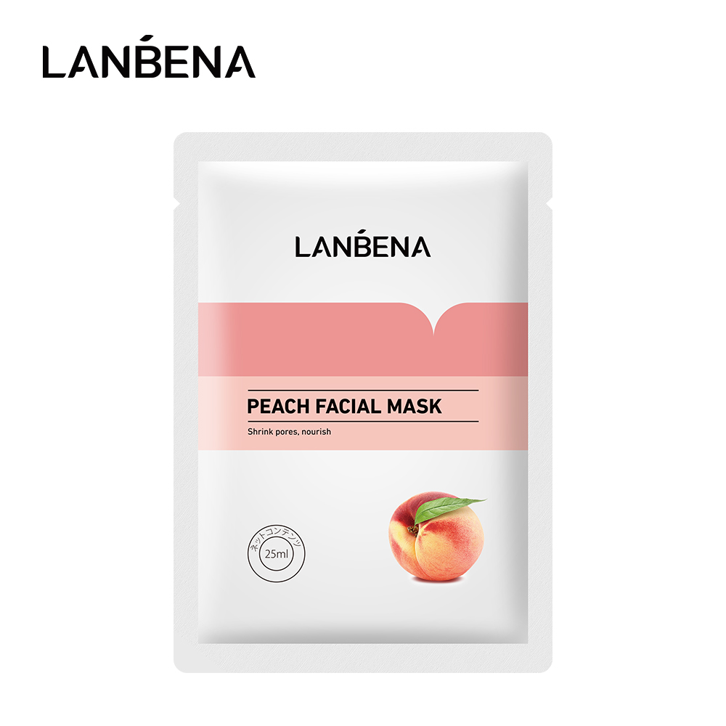 | LB7563 | LB7563 | LANBENA peach serum facail mask | 6970470537563 | 25ml | 31 | 11.9 | / | 15.9 | 600 | 19.9 | 46*35.5*40 | 200 | 6.35 | 44.5*33.5*12
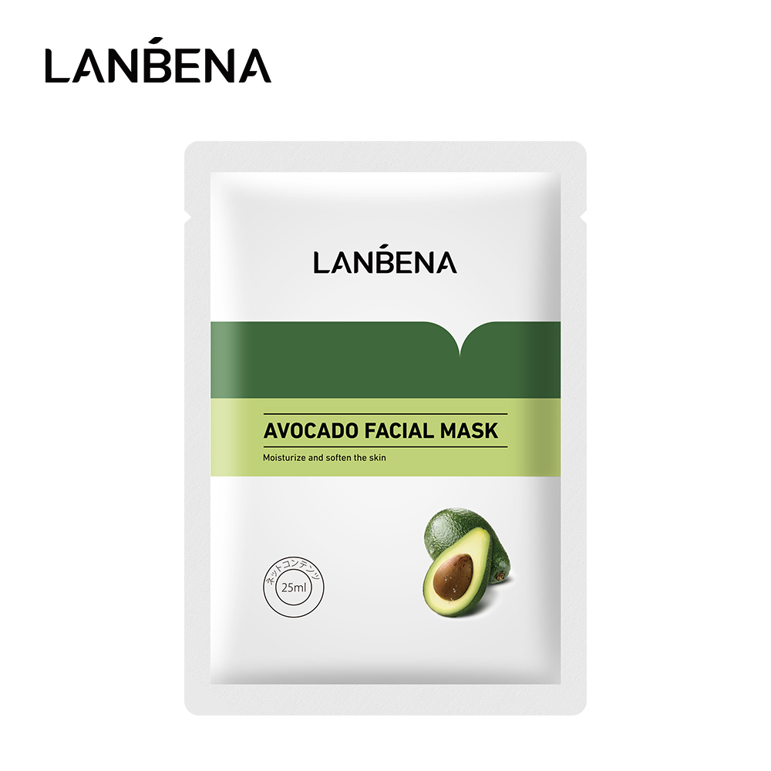 | LB7594 | LB7594 | NA avocado serum facail mask | 6970470537594 | 25ml | 31 | 11.9 | / | 15.9 | 600 | 19.9 | 46*35.5*40 | 200 | 6.35 | 44.5*33.5*12
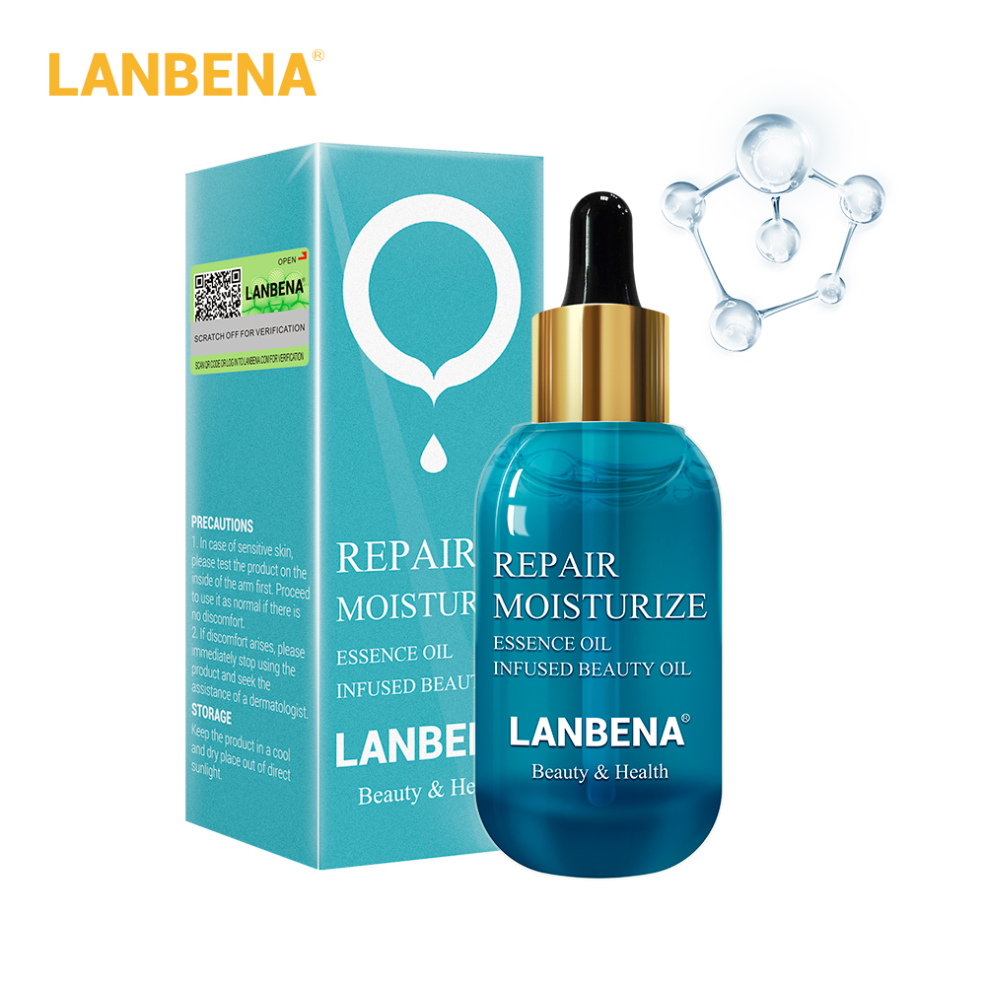 | LB4524 | LB4524 | LANBENA repair moisturize essence oil | 6970470534524 | 15ml | 39 | 8.6 | 3 | 3 | 400 | 17.5 | 34*33*37 | 100 | 4.1 | 16*18*31
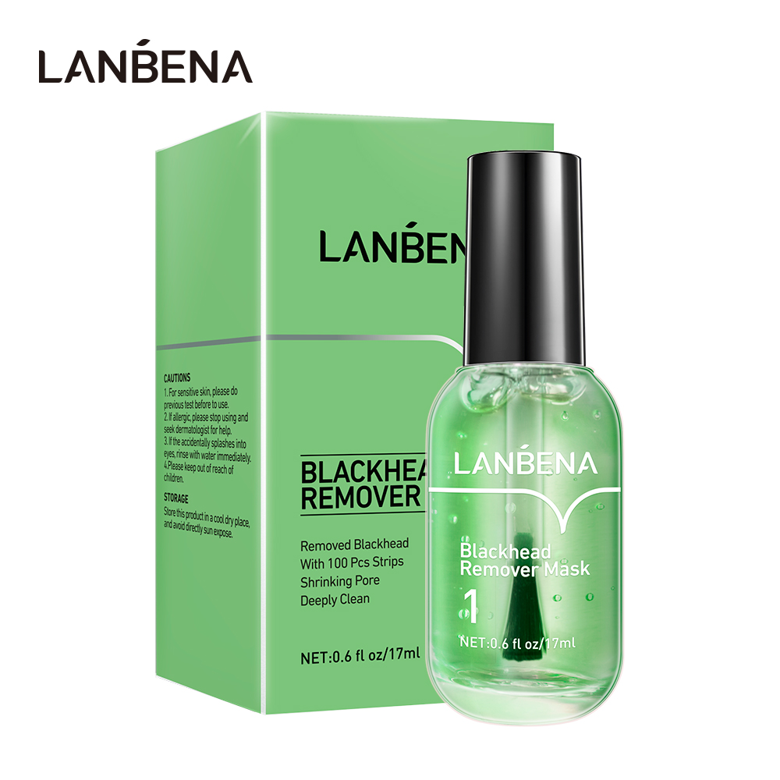 | LB6115 | LB6115 | LANBENA BLACKHEAD REMOVER MASK （NO.1） | 6970470536115 | 17ml | 58 | 6 | 4 | 10.2 | 400 | 23.6 | 55*38*42 | 100 | 5.9 | 37.5*27*20
 | LB6122 | LB6122 | LANBENA PORE MINIMIZER SERUM （NO.2） | 6970470536122 | 17ml | 48 | 6 | 4 | 10.2 | 400 | 23.6 | 55*38*42 | 100 | 5.9 | 37.5*27*20
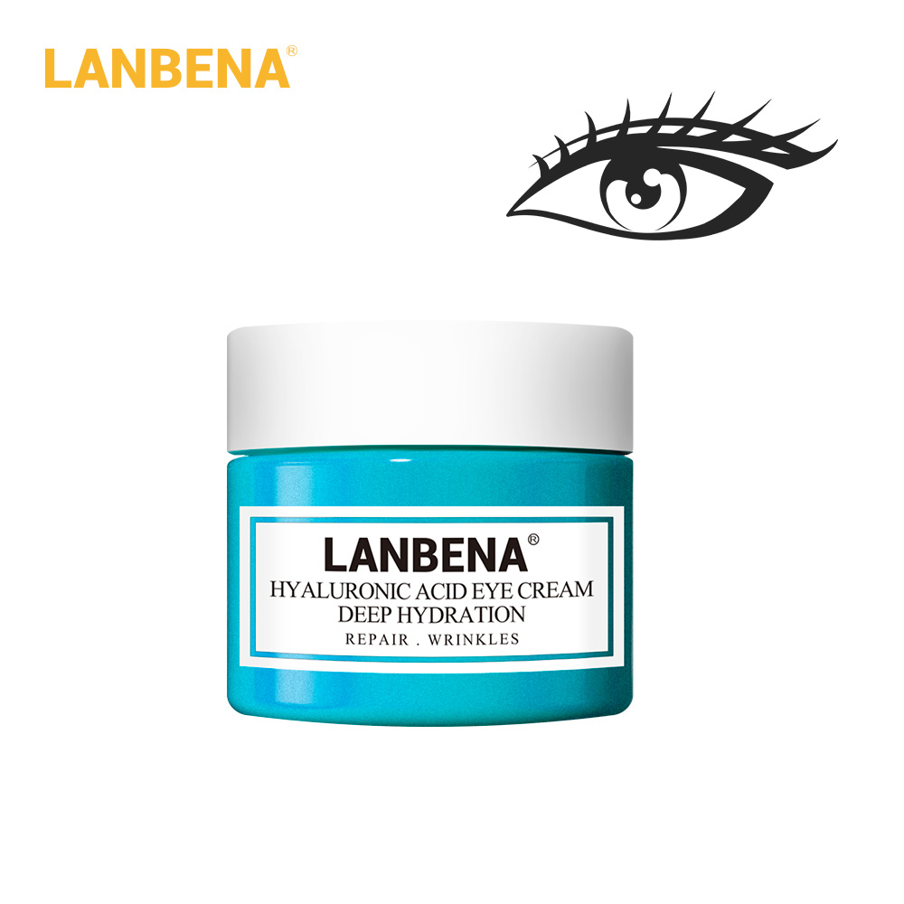 | LB0526 | LNWBBBBBFF | LANBENA hyaluronic acid eyes cream | 6970470530526 | 20g | 40 | 4.4 | 4.3 | 3.4 | 400 | 17.5 | 39*24.5*39.5 | 100 | 4.14 | 23*18.5*18.5
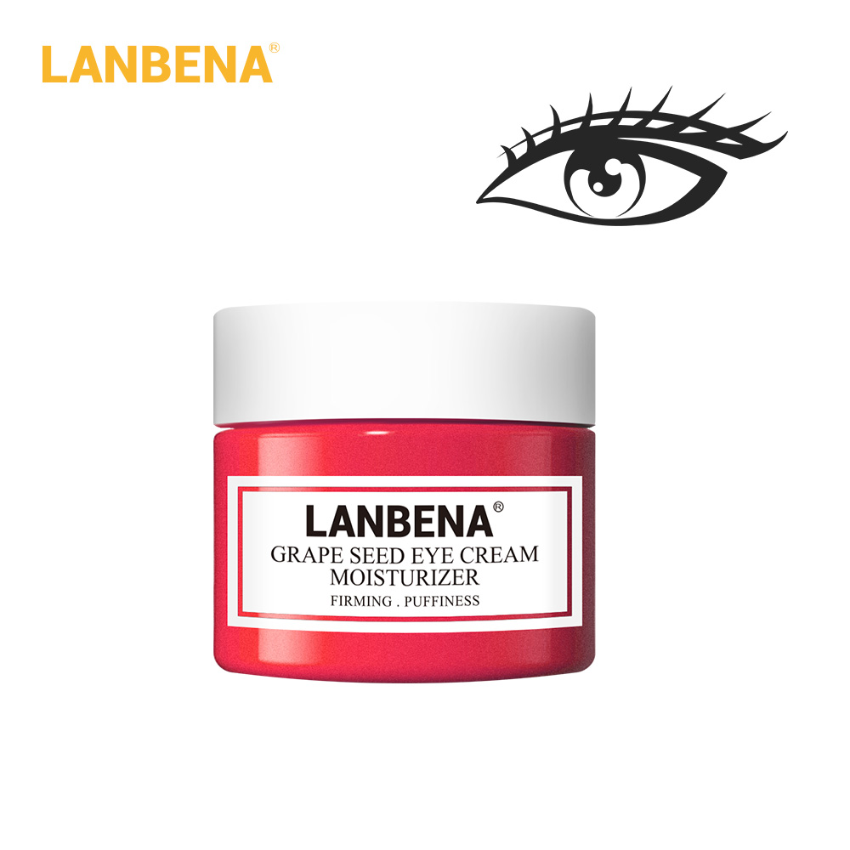 | LB0533 | LNWBBBBBFG | LANBENA grape seed eyes cream | 6970470530533 | 20g | 40 | 4.4 | 4.3 | 3.4 | 400 | 17.5 | 39*24.5*39.5 | 100 | 4.14 | 23*18.5*18.5
 | LB7655 | LB7655 | LANBENA RETINOL EYE MASK | 6970470537655 | 90g/50pieces | 133 | 7.1 | 7.1 | 4.9 | 200 | 28.25 | 57*39*32.5 | 50 | 6.8 | 37.5*27.5*15.2
 | LB1172 | LB1172 | LANBENA HYALURONIC HYDAR-GEL EYE PATCHES | 6970470531172 | 60 pcs/30pairs | 172 | 8 | 8 | 4 | 100 | 18 | 41.5*41.5*17.6 | / | / | /
 | LB1196 | LB1196 | LANBENA VITAMIN C HYDRA-GEL EYE PATCHES | 6970470531196 | 60 pcs/30pairs | 170 | 8 | 8 | 4 | 100 | 18 | 41.5*41.5*17.6 | / | / | /
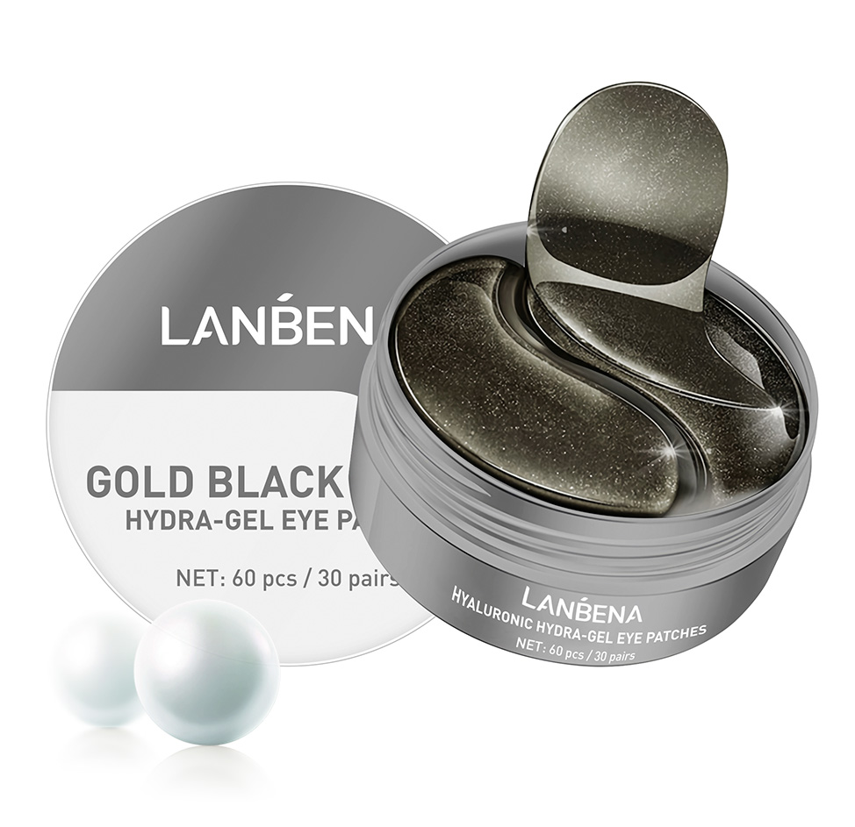 | LB1189 | LB1189 | LANBENA gold black pearl hydra-gel eye patches | 6970470531189 | 60 pcs/30pairs | 172 | 8 | 8 | 4 | 100 | 18 | 41.5*41.5*17.6 | / | / | /
 | LB1165 | LB1165 | LANBENA retinol hydra-gel eye patches | 6970470531165 | 60 pcs/30pairs | 172 | 8 | 8 | 4 | 100 | 18 | 41.5*41.5*17.6 | / | / | /
 | LB5378 | LB5378 | LANBENA rose hydra-gel eye patches | 6970470535378 | 60 pcs/30pairs | 170 | 8 | 8 | 4 | 100 | 18 | 41.5*41.5*17.6 | / | / | /
 | LB3862-2 | LB3862-2 | LANBENA collagen crystal eye mask green | 6970470533862 | 2p*3g | 10 | 11.5 | 9 | 0.3 | 2000 | 23 | 57*47*27.3 | 500 | 5.6 | 45.5*26*12.4
 | LB3862-3 | LB3862-3 | LANBENA collagen crystal eye mask | 6970470533862 | 2p*3g | 10 | 11.5 | 9 | 0.3 | 2000 | 23 | 54*47*27.3 | 500 | 5.6 | 45.5*26*12.4
 | LB3862-4 | LB3862-4 | Collagen Crystal Eye Mask | 6970470533862 | 2p*3g | 10 | 11.5 | 9 | 0.3 | 2000 | 23 | 54*47*27.3 | 500 | 5.6 | 45.5*26*12.4
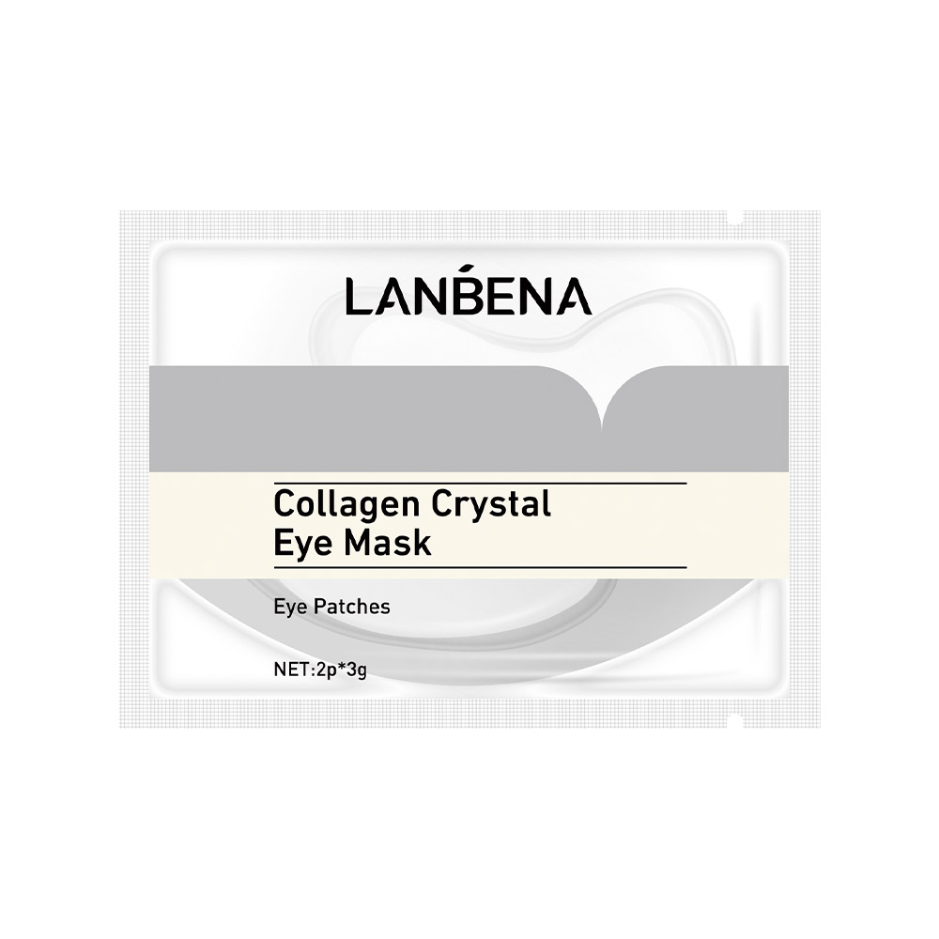 | LB3862-6 | LB3862-6 | LANBENA collagen crystal eye mask white | 6970470533862 | 2p*3g | 10 | 11.5 | 9 | 0.3 | 2000 | 23 | 54*47*27.3 | 500 | 5.6 | 45.5*26*12.4
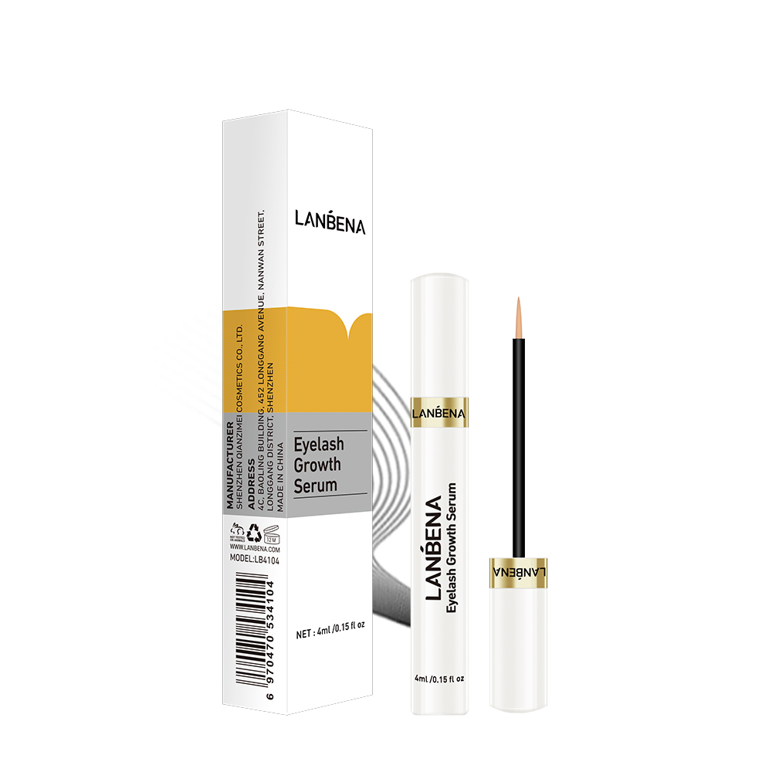 | LB4104 | LB4104 | LANBENA eyelash growth serum | 6970470534104 | 4ml | 28 | 2.4 | 1.9 | 12.3 | 600 | 16.7 | 43*28*45 | 100 | 2.66 | 26*20.5*14
 | LB4142 | LB4142 | LANBENA isoflavone lip care serum | 6970470534142 | 4ml/0.15fl oz | 26 | 2.9 | 1.8 | 12.2 | 600 | 16.82 | 59.5*27.5*29 | 100 | 2.69 | 26*19*13.3
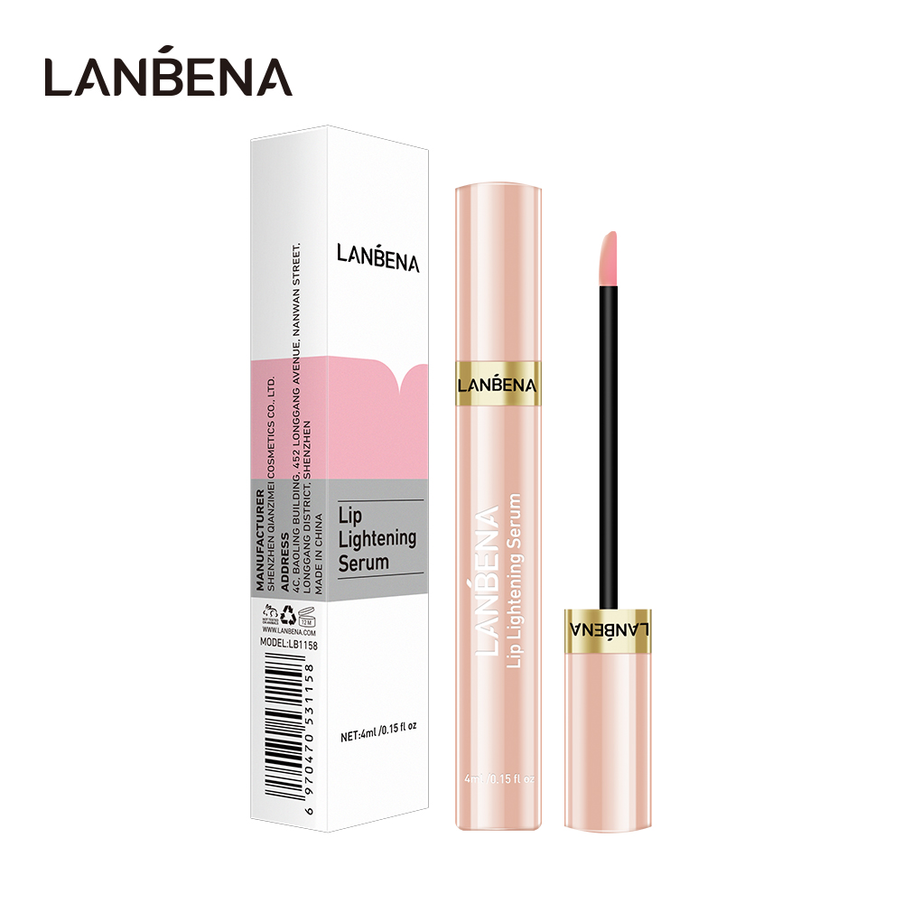 | LB1158 | LB1158 | LANBENA LIP LIGHTENING SERUM | 6970470531158 | 0.15 floz | 27 | 2.5 | 2 | 12.3 | 600 | 16.04 | 59.5*28.5*28 | 100 | 2.58 | 26*19*13
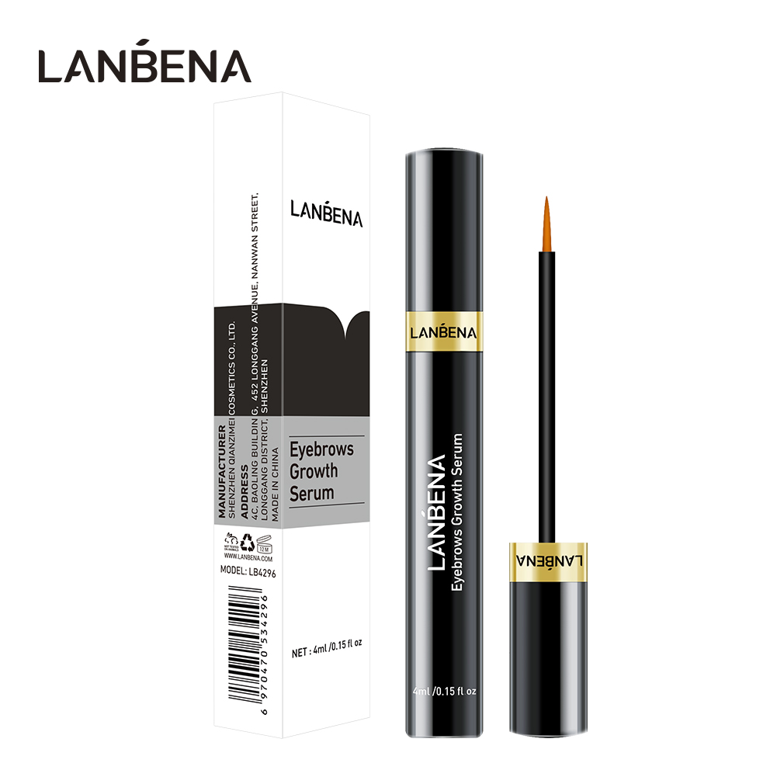 | LB4296 | LB4296 | LANBENA EYEBROWS GROWTH SERUM | 6970470534296 | 4ml | 27 | 2.5 | 1.9 | 12.4 | 600 | 18.5 | 42*27.5*44.5 | 100 | 2.9 | 26*20*14
 | LB6214 | LB6214 | LANBENA HYALURONIC ACID ESSENTIAL OIL HANDMADE SOAP | 6970470536214 | 1.42oz/40g | 53 | 5.9 | 3 | 7 | 200 | 10.985 | 50.5*30.5*21.5 | / | / | /
 | LB9888 | LB9888 | LANBENA 24K GOLD ESSENTIAL OIL HANDMADE SOAP | 6970470539888 | 100g | 114 | 7.8 | 4 | 6.5 | 100 | 12 | 45*23*25 | / | / | /
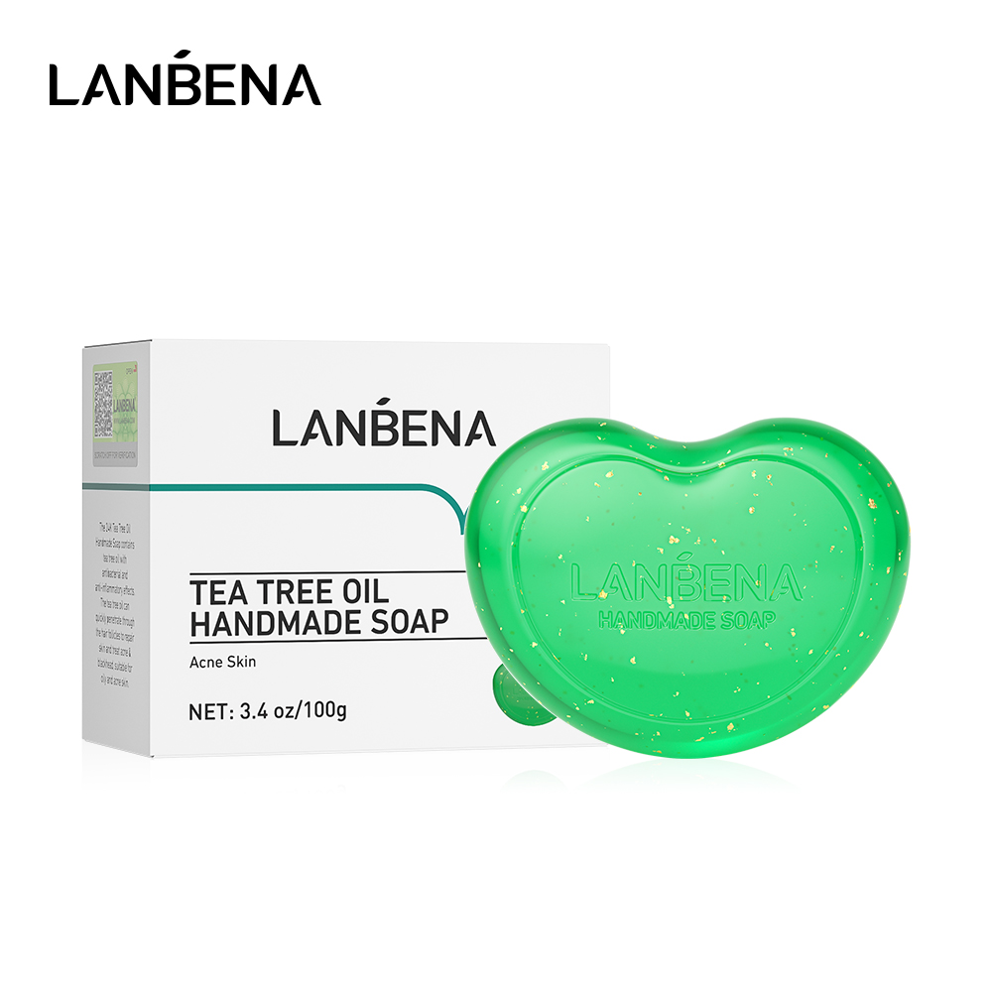 | LB9871 | LB9871 | LANBENA TEA TREE OIL HANDMADE SOAP | 6970470539871 | 100g | 114 | 7.8 | 4 | 6.5 | 163 | 19.06 | 54.3*37*22.6 | / | / | /
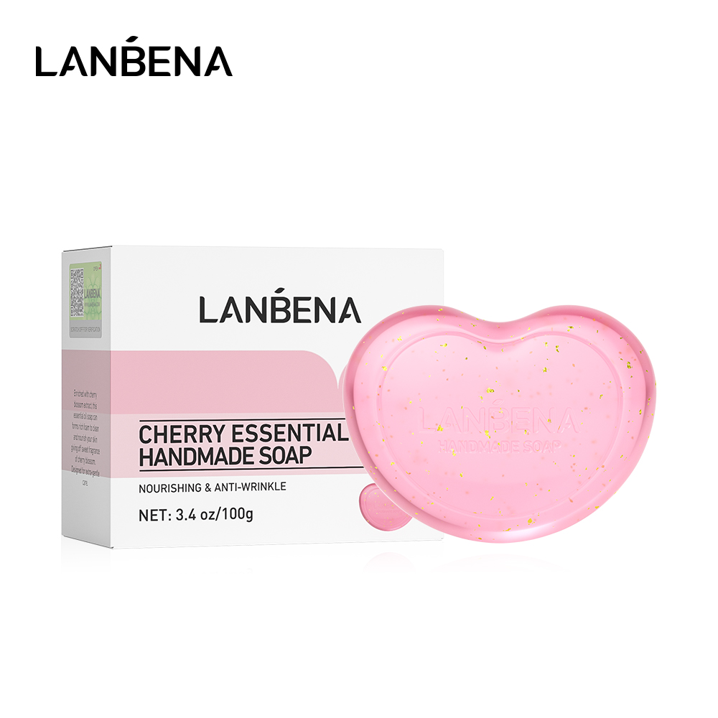 | LB9666 | LB9666 | LANBENA CHERRY ESSENTIAL OIL HANDMADE SOAP | 6970470539666 | 100g | 114 | 7.8 | 4 | 6.5 | 163 | 19.06 | 54.3*37*22.6 | / | / | /
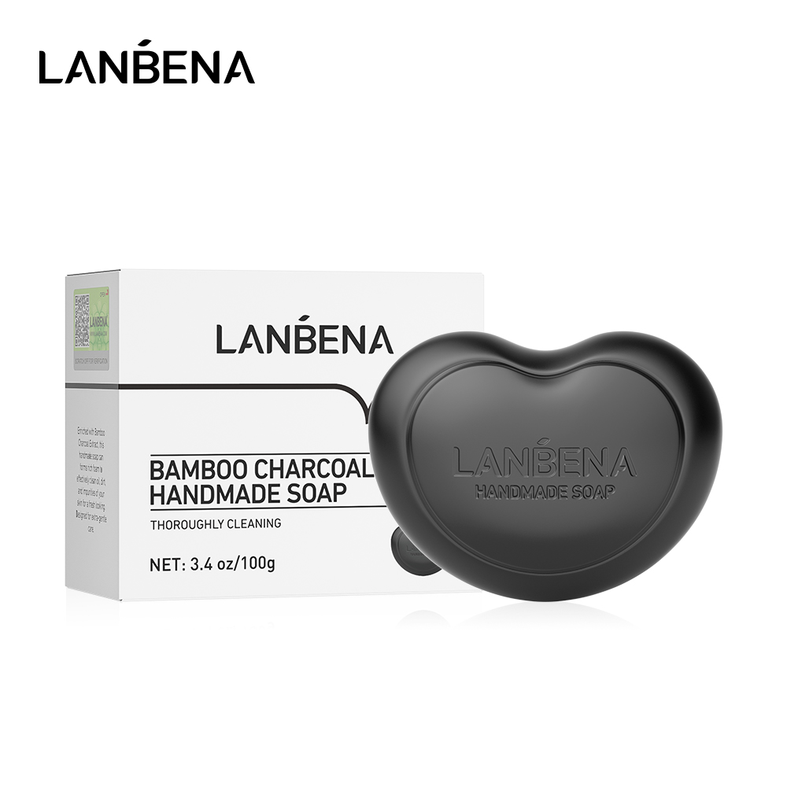 | LB9680 | LB9680 | LANBENA BAMBOO CHARCOAL CLEAN HANDMADE SOAP | 6970470539680 | 100g | 114 | 7.8 | 4 | 6.5 | 163 | 19.06 | 54.3*37*22.6 | / | / | /
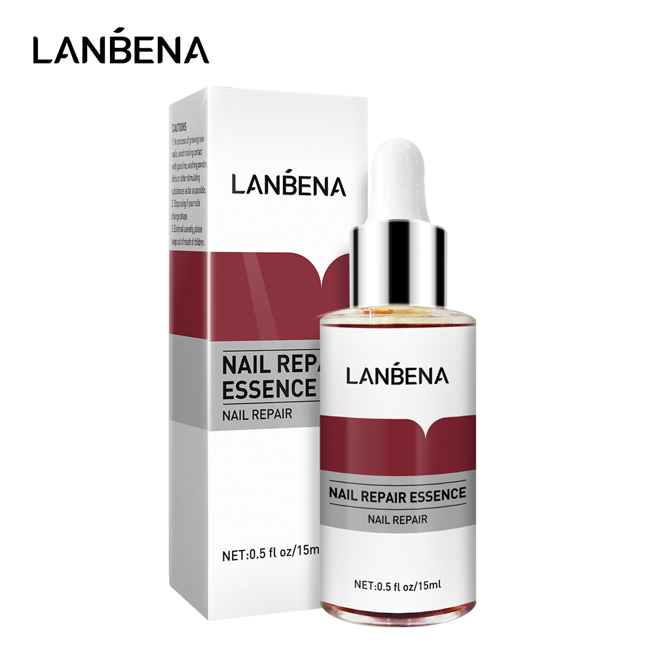 | LB6139 | LB6139 | LANBENA NAIL REPAIR ESSENCE | 6970470536139 | 15ml | 41 | 2.8 | 2.8 | 8.2 | 400 | 17 | 34*33*39 | 100 | 4 | 16*18*31
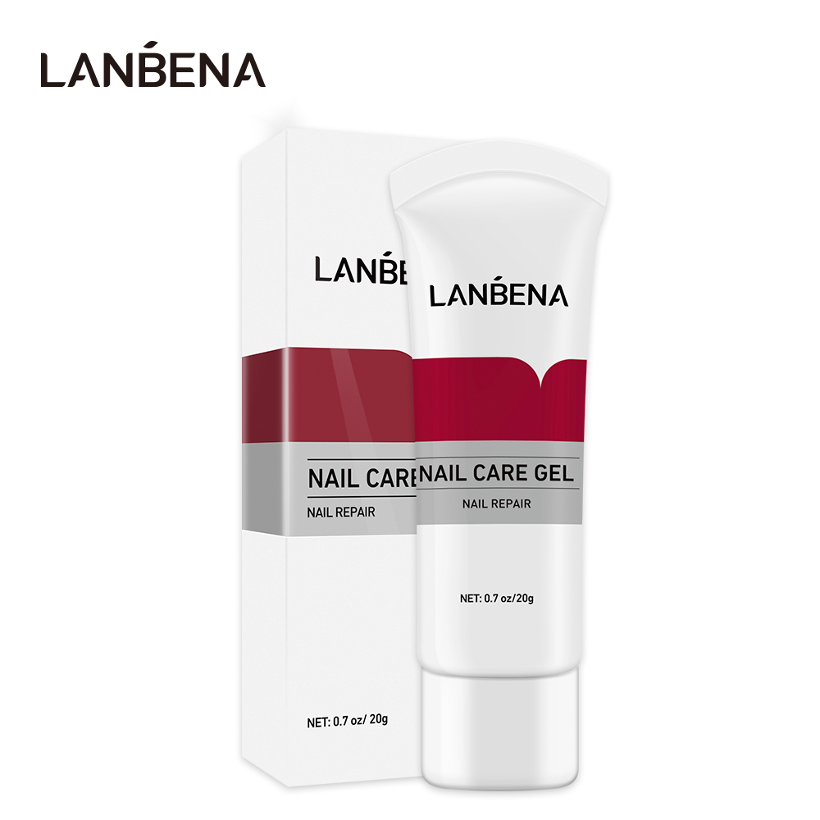 | LB5859 | LB5859 | LANBENA NAIL CARE GEL | 6970470535859 | 20g | 34 | 4 | 2 | 11.7 | 600 | 23.46 | 68*24.5*52.5 | 100 | 3.66 | 21.5*21.5*24.5
 | LB6276 | LB6276 | LANBENA TEETH WHITENING MOUSSE | 6970470536276 | 60ml | 97 | 3.7 | 3.7 | 13.2 | 200 | 19.55 | 40*40*29 | / | / | /
 | LB4616-1 | LB4616-1 | LANBENA night teeth whitenig strips |  | 1对 | 3 | 11 | / | 6 | 12000 | 27.6 | 54*36*44 | 100 | 3 | /
 | LB4609-1 | LB4609-1 | LANBENA bamboo charcoal teeth whitenig strips |  | 1对 | 3 | 11 | / | 6 | 12000 | 27.6 | 54*36*44 | 100 | 3 | /
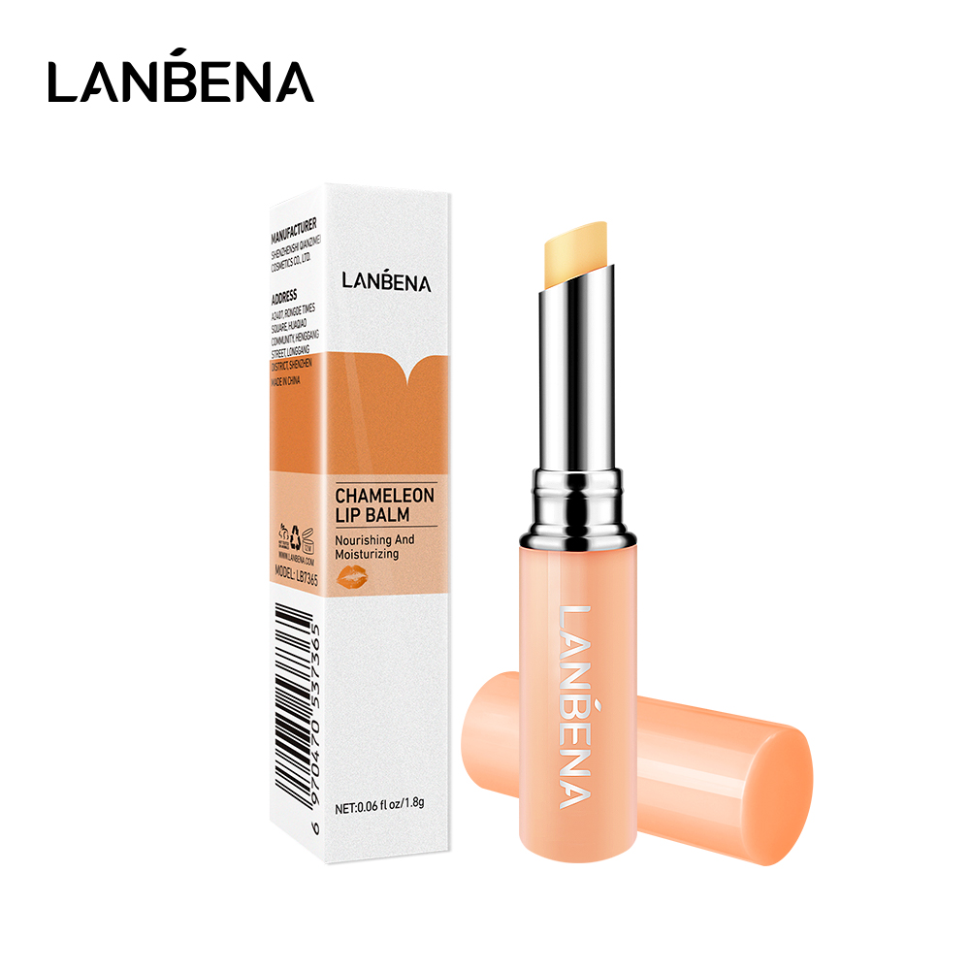 | LB7365 | LB7365 | LANBENA chameleon lip balm | 6970470537365 | 1.8g | 16 | 1.9 | 1.8 | 8.5 | 1200 | 20.84 | 44*43*32 | 200 | 3.33 | 41.5*21*9.7
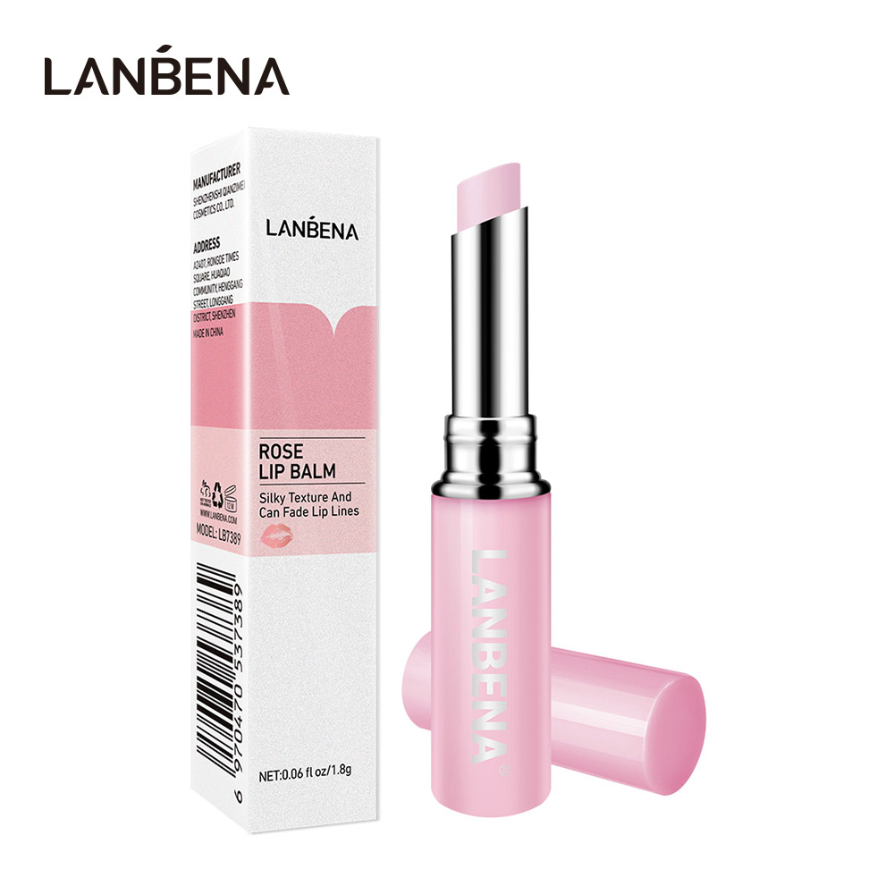 | LB7389 | LB7389 | LANBENA ROSE LIP BALM | 6970470537389 | 1.8g | 16 | 1.9 | 1.9 | 8.6 | 1200 | 20.84 | 44*43*32 | 200 | 3.33 | 41.5*21*9.7
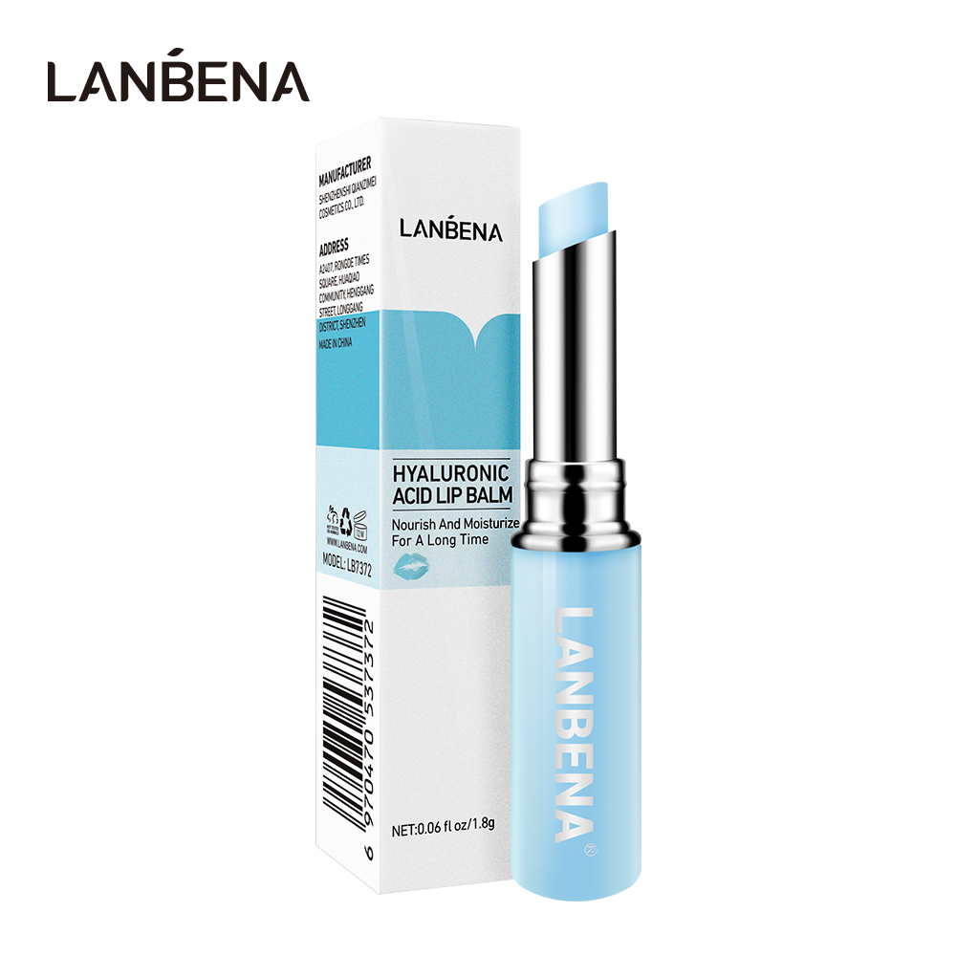 | LB7372 | LB7372 | LANBENA HYALURONIC ACID LIP BALM | 6970470537372 | 1.8g | 16 | 1.9 | 1.9 | 8.6 | 1200 | 20.84 | 44*43*32 | 200 | 3.33 | 41.5*21*9.7
 | LB7419 | LB7419 | LANBENA CALMING BALM | 6970470537419 | 50g | 67 | 4 | 3.1 | 12.7 | 160 | 11.69 | 36*33.8*29.8 | 40 | 2.8 | 32.5*17.2*13.8
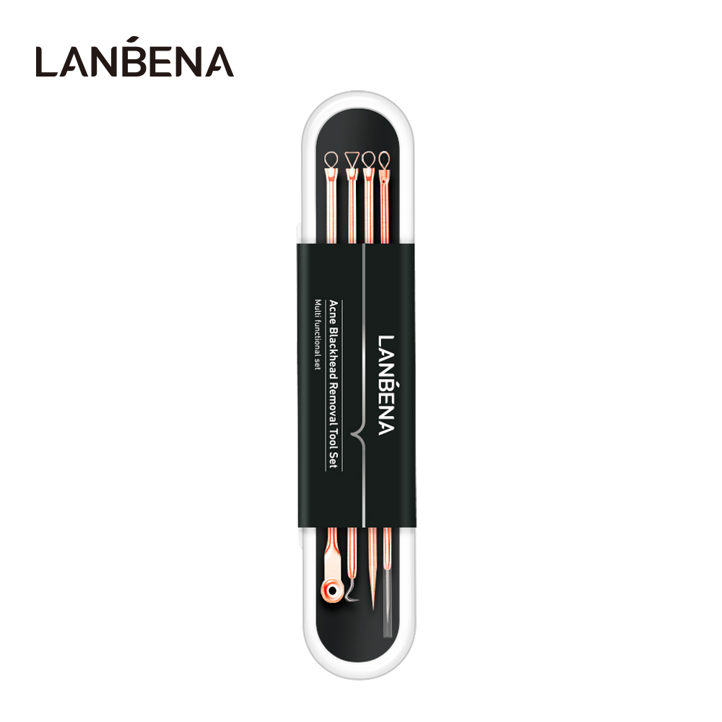 | LB6078 | LB6078 | LANBENA Acne Blackhead Removal Tool Set | 6970470536078 | / | 35 | 14 | 2.5 | 1 | 580 | 20.58 | 38*30*30 | / | / | /
 | LB5897 | LB5897 | LANBENA BODY WAX STRIPS big size9*18cm purple | 6970470535897 | 大规格9*18 | 64 | 12.5 | / | 24.6 | 240 | 17.42 | 52*42.5*42 | 40 | 2.76 | 41*25*13
 | LB5903 | LB5903 | LANBENA BODY WAX STRIPS big size9*18cm pink | 6970470535903 | 大规格9*18 | 64 | 12.5 | / | 24.6 | 240 | 17.42 | 52*42.5*42 | 40 | 2.76 | 41*25*13
 | LB5910 | LB5910 | LANBENA BODY WAX STRIPS big size9*18cm green | 6970470535910 | 大规格9*18 | 64 | 12.5 | / | 24.6 | 240 | 17.42 | 52*42.5*42 | 40 | 2.76 | 41*25*13
 | LB5934 | LB5934 | LANBENA BODY WAX STRIPS big size9*18cm yellow | 6970470535934 | 大规格9*18 | 64 | 12.5 | / | 24.6 | 240 | 17.42 | 52*42.5*42 | 40 | 2.76 | 41*25*13
 | LB5927 | LB5927 | LANBENA BODY WAX STRIPS small size5*10cm purple | 6970470535927 | 小规格5*10 | 22 | 8 | / | 15 | 360 | 9.32 | 56*32*28.5 | 60 | 2.76 | 30.6*27*8.5
 | LB5941 | LB5941 | LANBENA BODY WAX STRIPS small size5*10cm pink | 6970470535941 | 小规格5*10 | 22 | 8 | / | 15 | 360 | 9.27 | 56*32*28.5 | 60 | 2.76 | 30.6*27*8.5
 | LB5958 | LB5958 | LANBENA BODY WAX STRIPS small size5*10cm green | 6970470535958 | 小规格5*10 | 22 | 8 | / | 15 | 360 | 9.16 | 56*32*28.5 | 60 | 2.76 | 30.6*27*8.5
 | LB5965 | LB5965 | LANBENA BODY WAX STRIPS small size5*10cm yellow | 6970470535965 | 小规格5*10 | 22 | 8 | / | 15 | 360 | 9.32 | 56*32*28.5 | 60 | 2.76 | 30.6*27*8.5
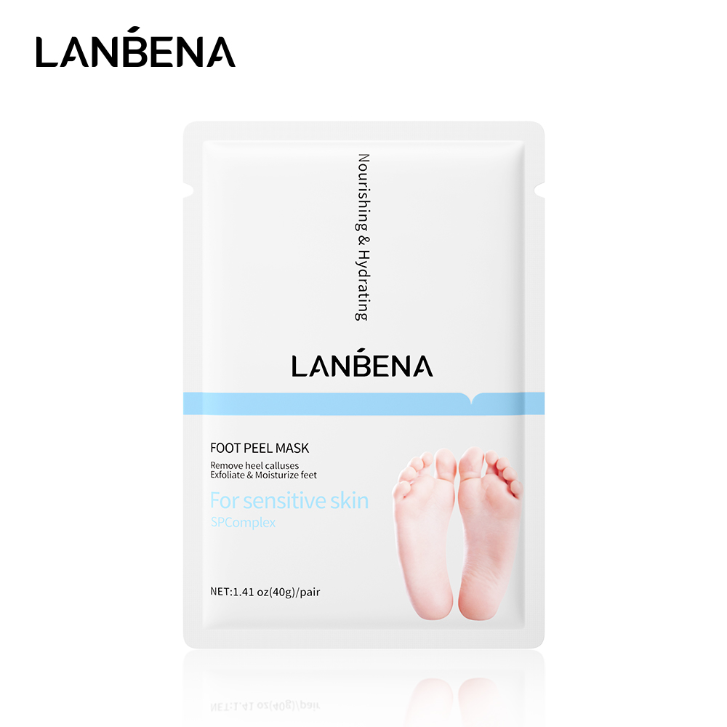 | LB514E1 | LB514E1 | LANBENA FOOT PEEL MASK | 6970470534562 | 1对/40g | 60 | 12.8 | / | 18.9 | 250 | 15 | 58*39*19 | / | / | /
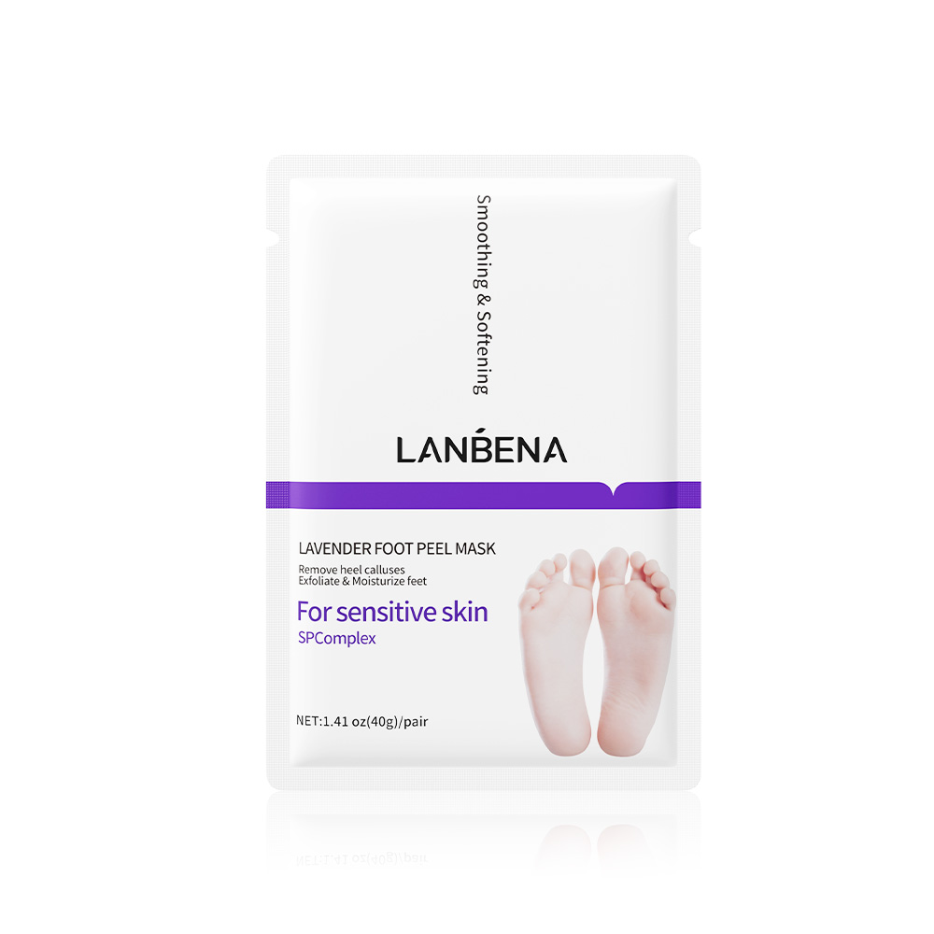 | LB514D1 | LB514D1 | LANBENA LAVENDER FOOT PEEL MASK | 6975497990131 | 1对/40g | 60 | 12.8 | / | 18.9 | 250 | 15 | 58*39*19 | / | / | /
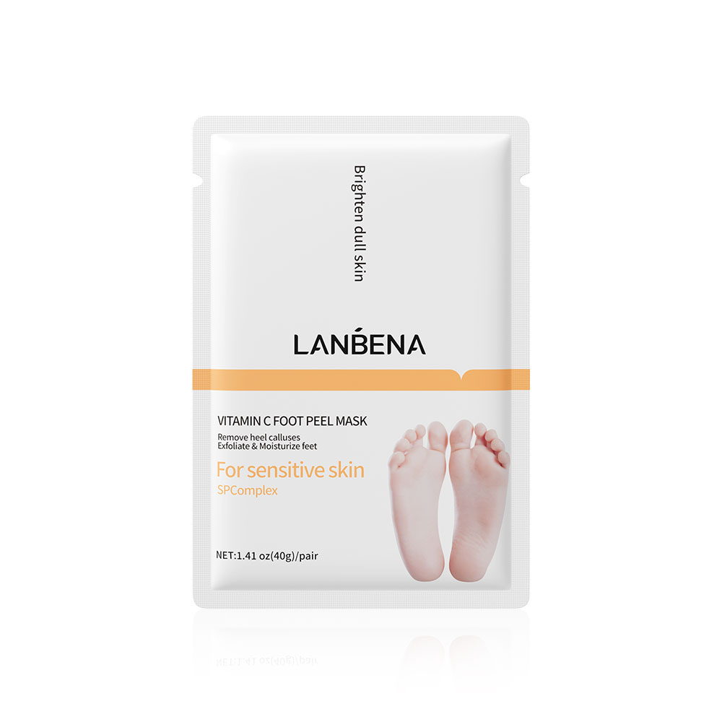 | LB514B1 | LB514B1 | LANBENA VITAMIN C FOOT PEEL MASK | 6975497990124 | 1pair/40g | 60 | 12.9 | / | 19.1 | 250 | 15 | 58*39*19 | / | / | /
 | LB408D | LB408D | LANBENA RETINOL HAND MASK | 6970470539628 | 40g | 60 | 12.7 | / | 18.7 | 250 | 15 | 59*38*19 | / | / | /
 | LB408E | LB408E | LANBENA NOURISHING HAND MASK | 6970470539611 | 40g | 60 | 12.7 | / | 18.7 | 250 | 15 | 59*38*19 | / | / | /
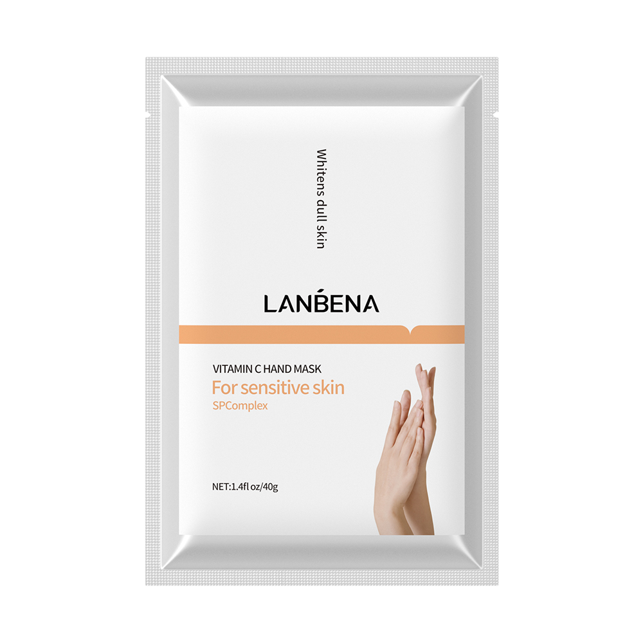 | LB408B | LB408B | LANBENA VITAMIN C HAND MASK | 6970470539604 | 40g | 60 | 12.7 | / | 18.7 | 250 | 15 | 59*38*19 | / | / | /
 | LB3688 | LB3688 | LANBENA INSTANT HAND SANITIZER Without alcohol | 6970470533688 | 60ml | 75 | 4.5 | 2.8 | 9 | 318 | 24.8 | 47*30*32.5 | / | / | /
 | LNWBBBBBIL | LNWBBBBBIL |  |  |  | 62 | 20 | 10 | 25 | 180 | 11.5 | 58*39*35 | / | / | /

